Oldie
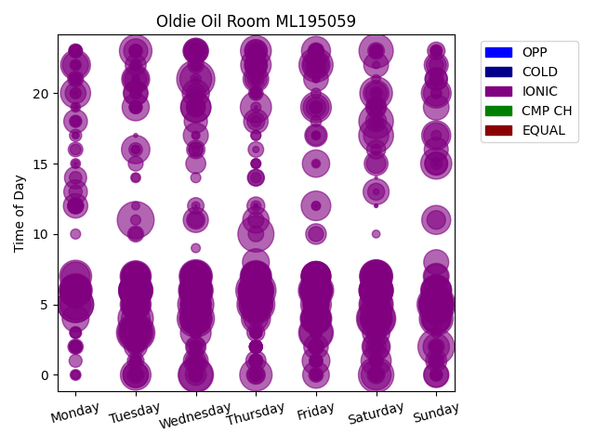
Chg Tim | Week Day | Time of Day | Profile | Charge Start
604 | Thursday | 6 | IONIC | 2020-01-02 | Days Recorded
578 | Saturday | 4 | IONIC | 2019-08-17 | 1424.8111111
552 | Tuesday | 3 | IONIC | 2021-09-07
552 | Sunday | 5 | IONIC | 2021-05-16 | Equalizations
544 | Wednesday | 21 | IONIC | 2020-03-04 | 0
538 | Thursday | 5 | IONIC | 2020-02-06
519 | Saturday | 4 | IONIC | 2022-03-26 | EQs Per Week
519 | Wednesday | 4 | IONIC | 2022-01-05
509 | Tuesday | 11 | IONIC | 2019-08-20
501 | Sunday | 2 | IONIC | 2022-03-20
489 | Wednesday | 5 | IONIC | 2021-09-22
487 | Thursday | 10 | IONIC | 2019-10-10
487 | Monday | 5 | IONIC | 2019-02-11
487 | Monday | 5 | IONIC | 2020-11-23
483 | Thursday | 6 | IONIC | 2021-11-11
477 | Tuesday | 3 | IONIC | 2020-06-30
470 | Saturday | 0 | IONIC | 2021-08-14
467 | Wednesday | 0 | IONIC | 2020-03-18
467 | Friday | 6 | IONIC | 2021-06-11
467 | Tuesday | 4 | IONIC | 2022-02-15
462 | Thursday | 6 | IONIC | 2020-04-02
461 | Sunday | 5 | IONIC | 2021-10-17
452 | Saturday | 17 | IONIC | 2021-02-13
450 | Wednesday | 6 | IONIC | 2021-06-02
450 | Friday | 3 | IONIC | 2019-10-18
447 | Saturday | 18 | IONIC | 2020-07-18
445 | Sunday | 5 | IONIC | 2021-08-29
440 | Saturday | 5 | IONIC | 2020-04-25
440 | Sunday | 5 | IONIC | 2020-01-26
440 | Saturday | 6 | IONIC | 2021-07-17
439 | Saturday | 23 | IONIC | 2019-11-23
439 | Sunday | 5 | IONIC | 2021-06-27
437 | Saturday | 6 | IONIC | 2022-02-19
436 | Tuesday | 6 | IONIC | 2021-06-22
435 | Friday | 22 | IONIC | 2021-07-30
433 | Sunday | 5 | IONIC | 2021-10-24
431 | Sunday | 4 | IONIC | 2020-11-01
429 | Tuesday | 6 | IONIC | 2021-07-20
428 | Saturday | 6 | IONIC | 2020-06-20
426 | Wednesday | 0 | IONIC | 2019-08-14
425 | Thursday | 5 | IONIC | 2021-11-25
424 | Thursday | 6 | IONIC | 2021-08-05
423 | Thursday | 5 | IONIC | 2019-08-15
423 | Tuesday | 6 | IONIC | 2022-04-19
419 | Tuesday | 6 | IONIC | 2021-03-30
416 | Sunday | 5 | IONIC | 2021-03-07
416 | Monday | 6 | IONIC | 2021-04-12
413 | Saturday | 7 | IONIC | 2021-02-20
413 | Wednesday | 7 | IONIC | 2019-12-11
412 | Wednesday | 6 | IONIC | 2021-04-14
404 | Friday | 3 | IONIC | 2019-09-27
404 | Tuesday | 6 | IONIC | 2021-03-09
404 | Wednesday | 4 | IONIC | 2019-08-28
403 | Tuesday | 3 | IONIC | 2019-08-27
399 | Saturday | 20 | IONIC | 2019-10-12
399 | Friday | 6 | IONIC | 2021-09-24
398 | Saturday | 6 | IONIC | 2021-02-13
398 | Saturday | 4 | IONIC | 2020-05-23
396 | Tuesday | 23 | IONIC | 2021-03-16
392 | Thursday | 0 | IONIC | 2019-09-26
392 | Saturday | 5 | IONIC | 2019-11-09
387 | Saturday | 7 | IONIC | 2021-10-09
387 | Monday | 7 | IONIC | 2021-11-08
382 | Friday | 6 | IONIC | 2020-06-12
381 | Wednesday | 6 | IONIC | 2021-10-13
381 | Wednesday | 21 | IONIC | 2021-02-17
381 | Thursday | 6 | IONIC | 2021-10-07
380 | Saturday | 7 | IONIC | 2021-05-08
379 | Saturday | 6 | IONIC | 2022-04-23
378 | Tuesday | 6 | IONIC | 2021-02-16
376 | Wednesday | 7 | IONIC | 2021-08-25
374 | Tuesday | 6 | IONIC | 2021-09-14
373 | Friday | 4 | IONIC | 2019-08-16
373 | Wednesday | 4 | IONIC | 2019-08-21
373 | Monday | 6 | IONIC | 2022-05-02
372 | Friday | 6 | IONIC | 2021-09-17
371 | Thursday | 7 | IONIC | 2021-02-18
371 | Wednesday | 5 | IONIC | 2019-10-30
371 | Tuesday | 6 | IONIC | 2021-06-08
366 | Friday | 6 | IONIC | 2021-10-29
366 | Friday | 6 | IONIC | 2021-02-12
365 | Wednesday | 6 | IONIC | 2020-12-23
364 | Thursday | 19 | IONIC | 2019-08-29
363 | Tuesday | 7 | IONIC | 2021-07-13
362 | Sunday | 15 | IONIC | 2020-11-22
362 | Tuesday | 3 | IONIC | 2020-01-28
361 | Thursday | 6 | IONIC | 2021-09-16
361 | Thursday | 6 | IONIC | 2021-05-06
361 | Thursday | 6 | IONIC | 2021-05-27
359 | Wednesday | 6 | IONIC | 2021-07-07
359 | Saturday | 6 | IONIC | 2022-04-30
359 | Friday | 6 | IONIC | 2021-06-18
359 | Tuesday | 5 | IONIC | 2019-08-13
358 | Wednesday | 6 | IONIC | 2022-04-13
358 | Wednesday | 6 | IONIC | 2022-03-23
358 | Friday | 6 | IONIC | 2022-01-28
357 | Wednesday | 6 | IONIC | 2021-02-10
356 | Thursday | 23 | IONIC | 2020-01-23
356 | Thursday | 6 | IONIC | 2022-04-14
355 | Monday | 6 | IONIC | 2021-12-06
355 | Thursday | 6 | IONIC | 2021-07-08
354 | Saturday | 6 | IONIC | 2021-09-25
354 | Monday | 5 | IONIC | 2021-08-09
354 | Saturday | 6 | IONIC | 2021-06-19
353 | Sunday | 6 | IONIC | 2021-02-07
353 | Thursday | 6 | IONIC | 2021-01-07
352 | Friday | 5 | IONIC | 2020-04-24
352 | Friday | 19 | IONIC | 2019-08-23
352 | Wednesday | 3 | IONIC | 2020-01-08
351 | Saturday | 6 | IONIC | 2021-06-26
350 | Tuesday | 0 | IONIC | 2021-08-24
349 | Saturday | 4 | IONIC | 2019-09-21
348 | Sunday | 6 | IONIC | 2021-09-12
347 | Thursday | 22 | IONIC | 2020-06-04
345 | Monday | 6 | IONIC | 2022-07-04
344 | Sunday | 4 | IONIC | 2022-02-13
344 | Wednesday | 19 | IONIC | 2021-04-07
342 | Tuesday | 6 | IONIC | 2021-09-21
342 | Wednesday | 6 | IONIC | 2022-11-02
341 | Tuesday | 6 | IONIC | 2022-04-26
341 | Saturday | 1 | IONIC | 2019-05-11
338 | Wednesday | 19 | IONIC | 2019-08-21
338 | Monday | 20 | IONIC | 2019-08-19
338 | Tuesday | 6 | IONIC | 2021-05-11
337 | Saturday | 0 | IONIC | 2019-12-14
337 | Tuesday | 6 | IONIC | 2022-03-22
337 | Friday | 6 | IONIC | 2022-04-29
337 | Wednesday | 7 | IONIC | 2021-02-17
336 | Wednesday | 6 | IONIC | 2021-11-24
336 | Wednesday | 5 | IONIC | 2020-11-04
335 | Saturday | 6 | IONIC | 2021-09-18
334 | Thursday | 6 | IONIC | 2021-02-11
334 | Saturday | 6 | IONIC | 2021-01-09
334 | Sunday | 20 | IONIC | 2019-05-12
334 | Wednesday | 7 | IONIC | 2022-04-27
333 | Saturday | 6 | IONIC | 2021-10-30
333 | Wednesday | 6 | IONIC | 2021-10-27
333 | Thursday | 6 | IONIC | 2021-04-08
333 | Monday | 6 | IONIC | 2021-10-11
333 | Saturday | 4 | IONIC | 2022-01-29
332 | Saturday | 4 | IONIC | 2019-08-31
332 | Tuesday | 6 | IONIC | 2021-09-28
332 | Friday | 7 | IONIC | 2021-06-04
332 | Friday | 6 | IONIC | 2022-03-25
332 | Friday | 6 | IONIC | 2022-04-15
332 | Monday | 22 | IONIC | 2019-08-26
331 | Friday | 7 | IONIC | 2021-03-19
331 | Thursday | 6 | IONIC | 2022-04-21
330 | Thursday | 7 | IONIC | 2022-03-24
330 | Friday | 6 | IONIC | 2021-10-08
328 | Tuesday | 6 | IONIC | 2021-08-31
328 | Saturday | 6 | IONIC | 2021-11-13
328 | Friday | 12 | IONIC | 2020-11-06
328 | Saturday | 6 | IONIC | 2021-12-11
328 | Thursday | 7 | IONIC | 2021-06-24
328 | Tuesday | 7 | IONIC | 2021-03-23
327 | Friday | 4 | IONIC | 2019-09-20
326 | Thursday | 6 | IONIC | 2021-03-11
326 | Saturday | 6 | IONIC | 2022-06-04
325 | Friday | 4 | IONIC | 2020-05-08
323 | Saturday | 6 | IONIC | 2020-07-11
322 | Tuesday | 6 | IONIC | 2022-01-04
322 | Thursday | 6 | IONIC | 2021-01-14
321 | Friday | 4 | IONIC | 2019-08-23
321 | Saturday | 6 | IONIC | 2021-11-20
321 | Wednesday | 6 | IONIC | 2020-07-15
320 | Sunday | 5 | IONIC | 2020-01-05
320 | Sunday | 6 | IONIC | 2021-04-11
319 | Thursday | 5 | IONIC | 2019-10-24
319 | Friday | 7 | IONIC | 2021-07-23
319 | Wednesday | 6 | IONIC | 2022-04-20
318 | Monday | 6 | IONIC | 2021-03-08
318 | Sunday | 17 | IONIC | 2021-06-27
317 | Thursday | 4 | IONIC | 2019-09-19
317 | Friday | 6 | IONIC | 2021-10-15
316 | Thursday | 6 | IONIC | 2021-08-12
315 | Thursday | 6 | IONIC | 2021-10-28
315 | Tuesday | 6 | IONIC | 2021-08-10
315 | Friday | 23 | IONIC | 2021-09-10
315 | Thursday | 6 | IONIC | 2022-04-28
314 | Friday | 7 | IONIC | 2021-02-19
314 | Sunday | 11 | IONIC | 2020-07-26
313 | Wednesday | 6 | IONIC | 2020-01-29
312 | Wednesday | 5 | IONIC | 2022-02-02
312 | Wednesday | 5 | IONIC | 2019-09-25
311 | Saturday | 7 | IONIC | 2021-09-11
311 | Thursday | 5 | IONIC | 2020-05-21
311 | Wednesday | 6 | IONIC | 2021-07-14
310 | Saturday | 5 | IONIC | 2019-11-16
310 | Thursday | 6 | IONIC | 2020-03-19
310 | Thursday | 7 | IONIC | 2021-09-02
310 | Tuesday | 6 | IONIC | 2022-03-29
310 | Friday | 6 | IONIC | 2021-07-30
310 | Wednesday | 5 | IONIC | 2019-09-18
309 | Tuesday | 4 | IONIC | 2019-08-20
308 | Thursday | 6 | IONIC | 2020-01-30
307 | Friday | 7 | IONIC | 2022-04-22
307 | Sunday | 4 | IONIC | 2021-11-21
307 | Wednesday | 4 | IONIC | 2019-04-10
306 | Monday | 7 | IONIC | 2021-05-10
306 | Wednesday | 7 | IONIC | 2021-12-01
306 | Tuesday | 5 | IONIC | 2019-09-24
305 | Thursday | 7 | IONIC | 2021-08-19
303 | Tuesday | 5 | IONIC | 2019-12-10
301 | Saturday | 6 | IONIC | 2021-04-17
301 | Tuesday | 16 | IONIC | 2020-05-19
301 | Sunday | 4 | IONIC | 2021-09-19
301 | Sunday | 5 | IONIC | 2020-09-06
300 | Saturday | 2 | IONIC | 2020-04-11
299 | Sunday | 5 | IONIC | 2021-11-07
299 | Tuesday | 7 | IONIC | 2021-10-26
299 | Wednesday | 5 | IONIC | 2020-05-06
296 | Friday | 7 | IONIC | 2021-08-27
296 | Friday | 22 | IONIC | 2019-11-22
296 | Thursday | 6 | IONIC | 2021-09-09
295 | Sunday | 5 | IONIC | 2019-02-10
294 | Tuesday | 21 | IONIC | 2019-09-10
291 | Saturday | 6 | IONIC | 2020-05-30
290 | Saturday | 7 | IONIC | 2021-08-28
290 | Friday | 6 | IONIC | 2019-07-12
289 | Friday | 1 | IONIC | 2019-12-13
289 | Tuesday | 6 | IONIC | 2021-02-09
289 | Tuesday | 7 | IONIC | 2020-12-08
288 | Thursday | 6 | IONIC | 2020-07-16
288 | Friday | 6 | IONIC | 2019-11-22
288 | Thursday | 7 | IONIC | 2021-07-29
287 | Friday | 6 | IONIC | 2019-01-11
286 | Tuesday | 6 | IONIC | 2020-06-02
284 | Thursday | 6 | IONIC | 2020-05-28
282 | Saturday | 3 | IONIC | 2019-10-19
280 | Friday | 15 | IONIC | 2019-12-13
280 | Wednesday | 6 | IONIC | 2020-12-02
279 | Thursday | 5 | IONIC | 2019-01-10
279 | Thursday | 5 | IONIC | 2019-10-31
278 | Friday | 6 | IONIC | 2019-11-15
278 | Friday | 6 | IONIC | 2020-05-29
278 | Sunday | 5 | IONIC | 2021-02-21
277 | Friday | 6 | IONIC | 2020-05-22
276 | Wednesday | 20 | IONIC | 2019-08-14
276 | Wednesday | 6 | IONIC | 2022-05-04
276 | Tuesday | 19 | IONIC | 2019-12-10
275 | Tuesday | 6 | IONIC | 2020-01-07
274 | Thursday | 7 | IONIC | 2021-09-23
273 | Friday | 7 | IONIC | 2020-11-13
272 | Wednesday | 6 | IONIC | 2020-06-17
270 | Thursday | 8 | IONIC | 2020-03-12
270 | Monday | 4 | IONIC | 2019-12-09
269 | Friday | 7 | IONIC | 2021-04-16
268 | Friday | 6 | IONIC | 2020-02-28
267 | Tuesday | 7 | IONIC | 2020-12-22
267 | Thursday | 5 | IONIC | 2019-08-29
267 | Friday | 6 | IONIC | 2021-03-12
266 | Friday | 0 | IONIC | 2020-07-31
265 | Friday | 7 | IONIC | 2021-11-12
265 | Friday | 5 | IONIC | 2019-09-13
264 | Saturday | 7 | IONIC | 2021-07-10
263 | Tuesday | 6 | IONIC | 2019-11-26
262 | Saturday | 4 | IONIC | 2019-09-14
261 | Sunday | 2 | IONIC | 2021-12-12
260 | Thursday | 11 | IONIC | 2020-10-08
259 | Wednesday | 5 | IONIC | 2020-05-20
259 | Wednesday | 6 | IONIC | 2021-09-29
258 | Saturday | 2 | IONIC | 2019-10-12
257 | Saturday | 6 | IONIC | 2020-05-02
256 | Saturday | 6 | IONIC | 2019-10-26
255 | Tuesday | 5 | IONIC | 2020-07-28
254 | Saturday | 6 | IONIC | 2021-08-21
253 | Monday | 22 | IONIC | 2019-10-21
253 | Saturday | 13 | IONIC | 2019-08-24
251 | Tuesday | 6 | IONIC | 2021-06-29
251 | Sunday | 7 | IONIC | 2019-05-12
251 | Tuesday | 0 | IONIC | 2020-03-31
251 | Friday | 19 | IONIC | 2020-06-26
251 | Wednesday | 6 | IONIC | 2021-05-19
250 | Tuesday | 6 | IONIC | 2020-06-23
249 | Wednesday | 6 | IONIC | 2019-10-16
249 | Sunday | 20 | IONIC | 2021-07-04
247 | Thursday | 7 | IONIC | 2019-11-21
247 | Tuesday | 3 | IONIC | 2019-09-17
247 | Friday | 7 | IONIC | 2019-12-27
247 | Sunday | 19 | IONIC | 2019-02-10
247 | Thursday | 21 | IONIC | 2019-05-09
247 | Thursday | 7 | IONIC | 2022-08-04
246 | Wednesday | 5 | IONIC | 2020-04-22
246 | Tuesday | 21 | IONIC | 2019-11-12
244 | Saturday | 20 | IONIC | 2019-11-16
243 | Wednesday | 6 | IONIC | 2020-06-24
242 | Wednesday | 23 | IONIC | 2020-01-15
242 | Wednesday | 4 | IONIC | 2020-04-15
242 | Thursday | 7 | IONIC | 2022-02-03
241 | Friday | 5 | IONIC | 2019-10-25
241 | Friday | 22 | IONIC | 2021-11-12
240 | Tuesday | 7 | IONIC | 2019-11-19
240 | Sunday | 0 | IONIC | 2019-09-15
239 | Thursday | 5 | IONIC | 2021-12-09
238 | Saturday | 17 | IONIC | 2020-01-04
238 | Sunday | 17 | IONIC | 2020-12-06
238 | Thursday | 7 | IONIC | 2021-08-26
237 | Wednesday | 11 | IONIC | 2020-10-07
236 | Saturday | 6 | IONIC | 2021-12-18
235 | Friday | 5 | IONIC | 2019-05-10
234 | Wednesday | 17 | IONIC | 2021-10-20
234 | Wednesday | 6 | IONIC | 2022-02-16
234 | Sunday | 8 | IONIC | 2020-11-22
232 | Sunday | 6 | IONIC | 2022-10-02
231 | Tuesday | 7 | IONIC | 2019-03-12
231 | Tuesday | 20 | IONIC | 2019-10-15
230 | Wednesday | 1 | IONIC | 2020-05-06
230 | Saturday | 22 | IONIC | 2019-11-09
230 | Tuesday | 0 | IONIC | 2019-09-10
229 | Wednesday | 23 | IONIC | 2020-02-19
227 | Friday | 21 | IONIC | 2020-01-24
227 | Monday | 6 | IONIC | 2020-06-08
224 | Thursday | 4 | IONIC | 2019-08-22
224 | Saturday | 7 | IONIC | 2020-04-18
224 | Thursday | 18 | IONIC | 2020-06-18
224 | Friday | 2 | IONIC | 2020-05-15
223 | Monday | 12 | IONIC | 2020-06-15
223 | Friday | 6 | IONIC | 2022-02-18
220 | Sunday | 0 | IONIC | 2021-08-15
217 | Tuesday | 23 | IONIC | 2020-07-28
217 | Sunday | 22 | IONIC | 2019-08-11
216 | Sunday | 16 | IONIC | 2019-05-12
215 | Saturday | 6 | IONIC | 2020-02-15
215 | Friday | 6 | IONIC | 2019-04-12
215 | Sunday | 7 | IONIC | 2019-08-11
212 | Sunday | 5 | IONIC | 2019-11-10
211 | Saturday | 15 | IONIC | 2019-10-12
211 | Friday | 7 | IONIC | 2021-08-20
209 | Monday | 18 | IONIC | 2019-09-16
209 | Tuesday | 20 | IONIC | 2020-06-02
208 | Monday | 13 | IONIC | 2020-09-07
205 | Tuesday | 6 | IONIC | 2020-05-19
204 | Friday | 7 | IONIC | 2020-12-11
203 | Wednesday | 6 | IONIC | 2022-01-26
203 | Wednesday | 18 | IONIC | 2019-09-25
202 | Wednesday | 7 | IONIC | 2019-11-20
202 | Thursday | 22 | IONIC | 2019-12-26
202 | Tuesday | 6 | IONIC | 2021-04-06
201 | Sunday | 15 | IONIC | 2019-06-09
201 | Friday | 6 | IONIC | 2022-12-02
200 | Thursday | 6 | IONIC | 2022-03-31
200 | Sunday | 5 | IONIC | 2021-07-25
198 | Saturday | 6 | IONIC | 2021-03-06
195 | Tuesday | 2 | IONIC | 2019-10-15
192 | Thursday | 23 | IONIC | 2021-04-29
189 | Sunday | 15 | IONIC | 2019-02-10
189 | Friday | 17 | IONIC | 2019-04-12
189 | Sunday | 21 | IONIC | 2020-04-05
189 | Wednesday | 23 | IONIC | 2021-07-07
187 | Tuesday | 5 | IONIC | 2020-04-28
186 | Thursday | 5 | IONIC | 2019-10-17
186 | Saturday | 7 | IONIC | 2020-09-12
185 | Thursday | 23 | IONIC | 2019-11-21
185 | Thursday | 6 | IONIC | 2022-02-17
184 | Monday | 14 | IONIC | 2019-10-28
184 | Wednesday | 5 | IONIC | 2020-07-08
184 | Sunday | 21 | IONIC | 2021-09-12
181 | Friday | 4 | IONIC | 2021-04-30
181 | Thursday | 21 | IONIC | 2022-02-24
180 | Thursday | 22 | IONIC | 2019-10-24
178 | Wednesday | 23 | IONIC | 2019-11-20
177 | Tuesday | 21 | IONIC | 2019-04-09
176 | Thursday | 6 | IONIC | 2021-05-20
175 | Saturday | 20 | IONIC | 2020-03-28
169 | Friday | 5 | IONIC | 2020-02-21
167 | Wednesday | 5 | IONIC | 2019-10-23
166 | Sunday | 1 | IONIC | 2019-12-22
164 | Tuesday | 22 | IONIC | 2020-03-31
163 | Monday | 20 | IONIC | 2020-03-16
163 | Wednesday | 0 | IONIC | 2020-12-02
163 | Saturday | 19 | IONIC | 2019-08-24
163 | Saturday | 18 | IONIC | 2019-09-28
160 | Wednesday | 1 | IONIC | 2019-04-10
159 | Friday | 10 | IONIC | 2022-02-18
159 | Friday | 22 | IONIC | 2020-11-13
157 | Thursday | 22 | IONIC | 2020-03-19
156 | Wednesday | 2 | IONIC | 2021-03-10
155 | Thursday | 6 | IONIC | 2020-01-23
154 | Wednesday | 6 | IONIC | 2020-04-08
152 | Thursday | 1 | IONIC | 2020-10-01
151 | Friday | 17 | IONIC | 2019-11-15
151 | Saturday | 2 | IONIC | 2021-01-09
149 | Wednesday | 15 | IONIC | 2019-10-16
149 | Saturday | 3 | IONIC | 2019-09-28
149 | Sunday | 22 | IONIC | 2020-04-12
148 | Friday | 19 | IONIC | 2020-05-15
142 | Saturday | 5 | IONIC | 2019-08-10
142 | Saturday | 15 | IONIC | 2019-03-09
139 | Wednesday | 19 | IONIC | 2019-08-28
137 | Tuesday | 5 | IONIC | 2019-10-22
135 | Wednesday | 20 | IONIC | 2021-02-24
135 | Saturday | 16 | IONIC | 2019-10-19
135 | Saturday | 19 | IONIC | 2021-02-20
131 | Thursday | 0 | IONIC | 2021-06-10
129 | Wednesday | 19 | IONIC | 2019-10-23
129 | Sunday | 11 | IONIC | 2020-03-08
127 | Thursday | 23 | IONIC | 2019-09-12
126 | Wednesday | 2 | IONIC | 2021-09-15
126 | Wednesday | 11 | IONIC | 2021-06-30
126 | Wednesday | 16 | IONIC | 2019-08-28
120 | Saturday | 4 | IONIC | 2021-03-06
119 | Thursday | 12 | IONIC | 2019-08-29
119 | Thursday | 18 | IONIC | 2019-11-21
118 | Thursday | 3 | IONIC | 2021-06-10
116 | Sunday | 23 | IONIC | 2019-03-10
115 | Saturday | 0 | IONIC | 2019-09-14
111 | Tuesday | 2 | IONIC | 2020-03-17
109 | Thursday | 14 | IONIC | 2020-11-05
109 | Friday | 5 | IONIC | 2020-12-11
108 | Tuesday | 0 | IONIC | 2020-06-16
108 | Saturday | 13 | IONIC | 2019-11-16
105 | Thursday | 0 | IONIC | 2020-07-02
104 | Wednesday | 1 | IONIC | 2019-11-13
104 | Tuesday | 1 | IONIC | 2020-01-28
103 | Thursday | 21 | IONIC | 2021-10-28
103 | Saturday | 23 | IONIC | 2020-12-05
103 | Wednesday | 23 | IONIC | 2020-12-02
101 | Wednesday | 6 | IONIC | 2021-06-30
101 | Wednesday | 12 | IONIC | 2020-05-20
99 | Sunday | 2 | IONIC | 2021-09-12
99 | Friday | 23 | IONIC | 2020-04-17
98 | Wednesday | 22 | IONIC | 2019-12-18
96 | Thursday | 14 | IONIC | 2021-11-18
96 | Sunday | 1 | IONIC | 2019-02-10
95 | Monday | 12 | IONIC | 2021-11-01
95 | Thursday | 11 | IONIC | 2020-08-06
95 | Tuesday | 10 | IONIC | 2019-09-17
94 | Thursday | 22 | IONIC | 2020-02-20
94 | Friday | 2 | IONIC | 2021-04-09
94 | Thursday | 4 | IONIC | 2020-10-01
93 | Monday | 21 | IONIC | 2019-09-30
93 | Sunday | 4 | IONIC | 2021-01-10
92 | Monday | 12 | IONIC | 2021-03-08
90 | Thursday | 10 | IONIC | 2022-11-03
90 | Thursday | 16 | IONIC | 2019-09-19
90 | Friday | 22 | IONIC | 2019-11-15
88 | Monday | 2 | IONIC | 2021-10-04
88 | Monday | 12 | IONIC | 2019-11-18
88 | Saturday | 18 | IONIC | 2022-07-02
87 | Wednesday | 11 | IONIC | 2020-10-28
85 | Saturday | 0 | IONIC | 2019-10-19
84 | Wednesday | 0 | IONIC | 2019-10-23
83 | Tuesday | 15 | IONIC | 2019-08-27
82 | Friday | 10 | IONIC | 2019-08-23
81 | Wednesday | 16 | IONIC | 2020-05-20
80 | Friday | 0 | IONIC | 2021-08-20
80 | Monday | 16 | IONIC | 2019-11-11
79 | Friday | 23 | IONIC | 2021-03-12
79 | Saturday | 19 | IONIC | 2021-07-24
79 | Sunday | 21 | IONIC | 2019-11-10
79 | Thursday | 20 | IONIC | 2020-07-16
79 | Saturday | 1 | IONIC | 2020-06-06
78 | Monday | 12 | IONIC | 2021-02-08
77 | Friday | 23 | IONIC | 2021-09-24
76 | Sunday | 22 | IONIC | 2019-03-10
74 | Thursday | 23 | IONIC | 2021-02-11
74 | Wednesday | 19 | IONIC | 2022-04-13
74 | Saturday | 2 | IONIC | 2020-11-21
74 | Wednesday | 16 | IONIC | 2019-07-10
74 | Friday | 2 | IONIC | 2020-06-12
73 | Friday | 2 | IONIC | 2021-10-15
73 | Monday | 23 | IONIC | 2021-04-12
73 | Thursday | 1 | IONIC | 2019-08-15
70 | Friday | 2 | IONIC | 2021-09-10
70 | Friday | 1 | IONIC | 2020-05-29
69 | Saturday | 2 | IONIC | 2022-02-19
69 | Tuesday | 2 | IONIC | 2021-12-21
69 | Thursday | 1 | IONIC | 2020-01-23
69 | Friday | 2 | IONIC | 2022-12-02
68 | Tuesday | 16 | IONIC | 2019-10-15
68 | Saturday | 2 | IONIC | 2022-04-30
67 | Wednesday | 1 | IONIC | 2019-11-27
66 | Tuesday | 6 | IONIC | 2020-01-14
66 | Friday | 22 | IONIC | 2019-10-18
66 | Saturday | 2 | IONIC | 2021-10-16
66 | Friday | 19 | IONIC | 2021-02-19
66 | Monday | 13 | IONIC | 2019-09-16
65 | Tuesday | 19 | IONIC | 2021-03-09
65 | Monday | 2 | IONIC | 2021-10-11
65 | Saturday | 23 | IONIC | 2021-09-18
65 | Thursday | 6 | IONIC | 2022-01-27
64 | Sunday | 1 | IONIC | 2020-01-26
64 | Friday | 2 | IONIC | 2019-05-10
64 | Tuesday | 10 | IONIC | 2019-08-20
64 | Wednesday | 23 | IONIC | 2022-11-02
64 | Monday | 23 | IONIC | 2021-09-13
64 | Tuesday | 0 | IONIC | 2019-09-17
64 | Saturday | 23 | IONIC | 2021-10-30
64 | Sunday | 2 | IONIC | 2022-10-02
64 | Friday | 2 | IONIC | 2022-09-02
64 | Tuesday | 23 | IONIC | 2021-05-11
63 | Sunday | 2 | IONIC | 2021-01-10
63 | Thursday | 2 | IONIC | 2022-04-28
63 | Thursday | 2 | IONIC | 2021-12-09
63 | Wednesday | 19 | IONIC | 2022-04-27
63 | Tuesday | 23 | IONIC | 2021-01-12
63 | Monday | 1 | IONIC | 2020-09-07
63 | Wednesday | 1 | IONIC | 2019-12-11
63 | Wednesday | 2 | IONIC | 2021-05-12
62 | Saturday | 1 | IONIC | 2019-11-16
62 | Saturday | 2 | IONIC | 2021-11-20
62 | Wednesday | 2 | IONIC | 2021-12-22
62 | Tuesday | 2 | IONIC | 2022-04-26
62 | Thursday | 1 | IONIC | 2020-01-02
62 | Thursday | 2 | IONIC | 2021-03-18
61 | Friday | 2 | IONIC | 2022-01-28
61 | Friday | 23 | IONIC | 2019-08-16
61 | Friday | 1 | IONIC | 2020-03-20
61 | Wednesday | 2 | IONIC | 2022-02-02
61 | Wednesday | 2 | IONIC | 2022-04-20
61 | Thursday | 2 | IONIC | 2021-10-21
61 | Tuesday | 1 | IONIC | 2020-03-17
61 | Tuesday | 2 | IONIC | 2021-10-12
60 | Friday | 2 | IONIC | 2021-11-12
60 | Tuesday | 23 | IONIC | 2022-03-15
60 | Sunday | 23 | IONIC | 2022-10-02
60 | Saturday | 2 | IONIC | 2021-12-11
60 | Saturday | 20 | IONIC | 2022-07-02
59 | Saturday | 23 | IONIC | 2022-04-30
59 | Thursday | 2 | IONIC | 2021-11-25
59 | Thursday | 23 | IONIC | 2021-12-23
59 | Thursday | 0 | IONIC | 2022-01-27
59 | Monday | 23 | IONIC | 2019-11-11
59 | Thursday | 2 | IONIC | 2022-01-27
59 | Tuesday | 19 | IONIC | 2021-02-16
59 | Thursday | 23 | IONIC | 2022-02-17
58 | Friday | 2 | IONIC | 2021-08-20
58 | Wednesday | 1 | IONIC | 2020-01-29
58 | Friday | 1 | IONIC | 2019-04-12
58 | Monday | 2 | IONIC | 2021-04-12
58 | Thursday | 0 | IONIC | 2019-01-10
58 | Friday | 23 | IONIC | 2022-02-18
58 | Friday | 2 | IONIC | 2022-04-29
58 | Monday | 14 | IONIC | 2019-09-30
57 | Thursday | 0 | IONIC | 2019-10-24
57 | Sunday | 0 | IONIC | 2021-09-26
57 | Monday | 21 | IONIC | 2022-02-14
57 | Monday | 18 | IONIC | 2020-03-09
57 | Thursday | 3 | IONIC | 2021-02-11
56 | Friday | 2 | IONIC | 2022-04-15
56 | Sunday | 1 | IONIC | 2019-05-12
56 | Thursday | 2 | IONIC | 2022-04-14
56 | Thursday | 2 | IONIC | 2022-08-04
56 | Wednesday | 20 | IONIC | 2022-03-23
56 | Tuesday | 19 | IONIC | 2019-09-17
56 | Tuesday | 3 | IONIC | 2021-11-23
56 | Thursday | 23 | IONIC | 2021-08-12
56 | Sunday | 2 | IONIC | 2021-10-31
56 | Monday | 17 | IONIC | 2019-09-30
56 | Saturday | 19 | IONIC | 2020-04-25
56 | Wednesday | 2 | IONIC | 2021-02-10
56 | Thursday | 1 | IONIC | 2020-03-19
55 | Saturday | 2 | IONIC | 2022-02-26
55 | Wednesday | 2 | IONIC | 2022-04-27
55 | Monday | 3 | IONIC | 2021-03-08
55 | Wednesday | 2 | IONIC | 2022-03-30
55 | Tuesday | 22 | IONIC | 2019-11-19
55 | Friday | 3 | IONIC | 2021-06-11
55 | Wednesday | 22 | IONIC | 2020-02-12
55 | Friday | 23 | IONIC | 2022-04-29
55 | Sunday | 0 | IONIC | 2019-02-10
55 | Tuesday | 23 | IONIC | 2021-03-09
55 | Friday | 0 | IONIC | 2019-10-18
54 | Tuesday | 3 | IONIC | 2021-06-29
54 | Wednesday | 2 | IONIC | 2020-03-11
54 | Saturday | 0 | IONIC | 2022-01-29
54 | Tuesday | 3 | IONIC | 2019-03-12
54 | Tuesday | 3 | IONIC | 2021-04-13
53 | Thursday | 3 | IONIC | 2021-09-09
53 | Wednesday | 23 | IONIC | 2022-04-27
53 | Thursday | 21 | IONIC | 2022-03-17
53 | Wednesday | 3 | IONIC | 2021-09-22
53 | Thursday | 3 | IONIC | 2021-09-23
52 | Friday | 3 | IONIC | 2021-12-17
52 | Tuesday | 5 | IONIC | 2021-12-21
52 | Sunday | 21 | IONIC | 2019-03-10
52 | Thursday | 2 | IONIC | 2022-04-21
52 | Tuesday | 2 | IONIC | 2022-08-02
52 | Saturday | 3 | IONIC | 2020-08-08
52 | Wednesday | 0 | IONIC | 2021-11-24
52 | Wednesday | 23 | IONIC | 2022-05-04
52 | Saturday | 2 | IONIC | 2021-04-17
51 | Sunday | 15 | IONIC | 2021-10-17
51 | Friday | 3 | IONIC | 2021-03-12
51 | Tuesday | 0 | IONIC | 2022-01-04
51 | Thursday | 20 | IONIC | 2022-03-31
51 | Monday | 2 | IONIC | 2021-11-08
51 | Tuesday | 3 | IONIC | 2021-11-30
50 | Thursday | 3 | IONIC | 2021-11-11
50 | Tuesday | 0 | IONIC | 2019-10-15
50 | Tuesday | 20 | IONIC | 2022-04-26
50 | Wednesday | 2 | IONIC | 2020-08-12
50 | Wednesday | 2 | IONIC | 2022-01-26
50 | Monday | 21 | IONIC | 2019-09-09
50 | Thursday | 2 | IONIC | 2022-02-17
50 | Tuesday | 3 | IONIC | 2021-01-12
49 | Friday | 3 | IONIC | 2021-10-29
49 | Thursday | 2 | IONIC | 2021-04-08
49 | Tuesday | 23 | IONIC | 2022-04-26
49 | Tuesday | 0 | IONIC | 2019-10-29
49 | Friday | 23 | IONIC | 2022-12-02
49 | Thursday | 6 | IONIC | 2022-08-04
49 | Thursday | 23 | IONIC | 2022-04-28
48 | Tuesday | 0 | IONIC | 2022-08-02
48 | Thursday | 1 | IONIC | 2020-07-02
48 | Monday | 20 | IONIC | 2022-04-25
48 | Friday | 23 | IONIC | 2021-02-12
48 | Tuesday | 23 | IONIC | 2022-03-29
48 | Friday | 3 | IONIC | 2021-04-30
48 | Wednesday | 3 | IONIC | 2021-07-14
48 | Thursday | 2 | IONIC | 2022-03-24
48 | Wednesday | 6 | IONIC | 2019-06-12
48 | Wednesday | 5 | IONIC | 2020-05-20
48 | Monday | 23 | IONIC | 2021-11-22
48 | Tuesday | 23 | IONIC | 2021-07-20
47 | Sunday | 0 | IONIC | 2019-11-10
47 | Monday | 22 | IONIC | 2019-09-30
47 | Tuesday | 1 | IONIC | 2019-11-26
47 | Tuesday | 23 | IONIC | 2021-08-10
47 | Tuesday | 0 | IONIC | 2021-12-21
47 | Thursday | 18 | IONIC | 2019-09-26
47 | Thursday | 0 | IONIC | 2021-11-25
47 | Wednesday | 23 | IONIC | 2021-09-22
47 | Monday | 21 | IONIC | 2022-03-28
47 | Saturday | 1 | IONIC | 2020-05-23
47 | Tuesday | 20 | IONIC | 2022-03-22
47 | Wednesday | 23 | IONIC | 2022-03-30
46 | Friday | 2 | IONIC | 2022-03-25
46 | Friday | 0 | IONIC | 2022-03-25
46 | Thursday | 0 | IONIC | 2021-02-11
46 | Wednesday | 0 | IONIC | 2022-03-02
46 | Wednesday | 3 | IONIC | 2021-07-07
46 | Thursday | 3 | IONIC | 2021-01-07
46 | Friday | 1 | IONIC | 2020-01-10
46 | Tuesday | 0 | IONIC | 2019-12-10
46 | Wednesday | 0 | IONIC | 2021-02-10
45 | Tuesday | 1 | IONIC | 2019-03-12
45 | Wednesday | 3 | IONIC | 2021-06-30
45 | Friday | 23 | IONIC | 2020-08-07
45 | Wednesday | 3 | IONIC | 2021-11-24
45 | Saturday | 19 | IONIC | 2022-03-19
45 | Monday | 23 | IONIC | 2022-04-04
45 | Tuesday | 3 | IONIC | 2021-08-31
45 | Monday | 3 | IONIC | 2021-08-09
45 | Friday | 3 | IONIC | 2021-06-18
45 | Thursday | 20 | IONIC | 2022-04-14
45 | Wednesday | 5 | IONIC | 2022-05-04
45 | Thursday | 0 | IONIC | 2021-10-28
45 | Tuesday | 0 | IONIC | 2022-04-26
45 | Monday | 18 | IONIC | 2022-04-25
44 | Monday | 16 | IONIC | 2021-01-11
44 | Wednesday | 1 | IONIC | 2019-12-18
44 | Sunday | 2 | IONIC | 2021-02-07
44 | Friday | 2 | IONIC | 2021-04-16
44 | Friday | 4 | IONIC | 2020-05-29
44 | Thursday | 0 | IONIC | 2021-04-08
44 | Thursday | 2 | IONIC | 2021-06-10
44 | Thursday | 23 | IONIC | 2020-05-14
44 | Sunday | 2 | IONIC | 2021-11-21
44 | Monday | 0 | IONIC | 2022-07-04
44 | Thursday | 0 | IONIC | 2021-06-17
44 | Thursday | 0 | IONIC | 2022-04-14
44 | Wednesday | 0 | IONIC | 2022-04-20
44 | Friday | 18 | IONIC | 2022-04-22
44 | Saturday | 3 | IONIC | 2021-09-11
44 | Wednesday | 2 | IONIC | 2019-06-12
43 | Friday | 5 | IONIC | 2022-04-15
43 | Friday | 1 | IONIC | 2019-05-10
43 | Friday | 23 | IONIC | 2022-11-04
43 | Thursday | 2 | IONIC | 2021-05-06
43 | Tuesday | 3 | IONIC | 2021-03-09
43 | Sunday | 20 | IONIC | 2022-12-04
43 | Tuesday | 0 | IONIC | 2021-06-29
42 | Wednesday | 21 | IONIC | 2022-11-02
42 | Monday | 23 | IONIC | 2022-02-14
42 | Tuesday | 23 | IONIC | 2020-07-14
42 | Friday | 3 | IONIC | 2022-02-25
42 | Friday | 19 | IONIC | 2019-09-13
42 | Thursday | 0 | IONIC | 2022-03-03
42 | Friday | 22 | IONIC | 2019-08-16
42 | Thursday | 23 | IONIC | 2021-09-30
42 | Saturday | 3 | IONIC | 2021-11-13
41 | Friday | 2 | IONIC | 2022-02-18
41 | Tuesday | 0 | IONIC | 2022-04-19
41 | Wednesday | 2 | IONIC | 2022-01-05
41 | Saturday | 3 | IONIC | 2022-06-04
41 | Wednesday | 2 | IONIC | 2021-12-01
41 | Friday | 0 | IONIC | 2022-04-15
41 | Sunday | 3 | IONIC | 2021-04-11
41 | Sunday | 23 | IONIC | 2020-06-07
41 | Friday | 0 | IONIC | 2021-12-17
41 | Thursday | 1 | IONIC | 2020-02-06
41 | Wednesday | 23 | IONIC | 2021-09-29
41 | Thursday | 7 | IONIC | 2021-09-23
40 | Monday | 3 | IONIC | 2021-12-06
40 | Tuesday | 0 | IONIC | 2021-10-26
40 | Sunday | 5 | IONIC | 2021-09-12
39 | Sunday | 23 | IONIC | 2020-10-04
39 | Thursday | 22 | IONIC | 2019-01-10
39 | Wednesday | 5 | IONIC | 2022-03-30
39 | Saturday | 0 | IONIC | 2020-11-21
39 | Tuesday | 0 | IONIC | 2021-01-26
39 | Saturday | 16 | IONIC | 2021-11-27
38 | Tuesday | 19 | IONIC | 2019-08-13
38 | Sunday | 20 | IONIC | 2021-10-10
38 | Thursday | 17 | IONIC | 2022-01-27
38 | Monday | 10 | IONIC | 2022-02-14
38 | Thursday | 12 | IONIC | 2022-02-17
38 | Thursday | 14 | IONIC | 2022-02-17
38 | Wednesday | 23 | IONIC | 2020-05-27
38 | Wednesday | 14 | IONIC | 2020-04-15
38 | Friday | 6 | IONIC | 2021-11-12
38 | Thursday | 19 | IONIC | 2019-12-26
38 | Monday | 20 | IONIC | 2019-09-09
38 | Thursday | 3 | IONIC | 2019-01-10
38 | Thursday | 5 | IONIC | 2021-09-30
38 | Wednesday | 23 | IONIC | 2021-09-15
38 | Tuesday | 11 | IONIC | 2019-07-09
38 | Sunday | 17 | IONIC | 2021-09-19
37 | Wednesday | 0 | IONIC | 2022-04-13
37 | Wednesday | 2 | IONIC | 2021-12-15
37 | Tuesday | 23 | IONIC | 2019-03-12
37 | Friday | 2 | IONIC | 2021-11-19
37 | Wednesday | 1 | IONIC | 2019-04-10
37 | Thursday | 17 | IONIC | 2020-07-02
37 | Sunday | 0 | IONIC | 2021-11-07
37 | Thursday | 15 | IONIC | 2020-12-03
37 | Monday | 15 | IONIC | 2020-03-16
37 | Thursday | 1 | IONIC | 2019-08-15
37 | Friday | 0 | IONIC | 2021-10-08
37 | Saturday | 18 | IONIC | 2021-11-27
37 | Thursday | 21 | IONIC | 2020-04-23
37 | Friday | 20 | IONIC | 2021-11-12
37 | Tuesday | 14 | IONIC | 2020-05-26
37 | Wednesday | 22 | IONIC | 2019-10-23
37 | Thursday | 5 | IONIC | 2021-04-08
36 | Friday | 1 | IONIC | 2019-09-27
36 | Saturday | 2 | IONIC | 2020-04-25
36 | Saturday | 5 | IONIC | 2022-06-04
36 | Wednesday | 23 | IONIC | 2022-02-16
36 | Thursday | 15 | IONIC | 2022-02-17
36 | Monday | 23 | IONIC | 2020-04-06
36 | Friday | 1 | IONIC | 2019-09-13
36 | Monday | 19 | IONIC | 2019-09-09
36 | Thursday | 21 | IONIC | 2021-12-09
36 | Tuesday | 5 | IONIC | 2019-03-12
36 | Tuesday | 5 | IONIC | 2021-09-28
35 | Tuesday | 3 | IONIC | 2022-03-29
35 | Wednesday | 1 | IONIC | 2019-10-16
35 | Monday | 23 | IONIC | 2020-01-06
35 | Saturday | 1 | IONIC | 2019-08-17
35 | Wednesday | 23 | IONIC | 2019-06-12
35 | Wednesday | 0 | IONIC | 2021-06-30
35 | Monday | 23 | IONIC | 2022-07-04
35 | Friday | 23 | IONIC | 2019-04-12
34 | Friday | 0 | IONIC | 2021-06-18
34 | Saturday | 2 | IONIC | 2020-02-15
34 | Monday | 2 | IONIC | 2022-07-04
33 | Thursday | 23 | IONIC | 2020-02-06
33 | Tuesday | 0 | IONIC | 2021-09-21
33 | Tuesday | 23 | IONIC | 2019-02-12
33 | Thursday | 3 | IONIC | 2019-10-24
33 | Thursday | 2 | IONIC | 2020-04-23
32 | Wednesday | 2 | IONIC | 2022-03-23
32 | Tuesday | 19 | IONIC | 2019-02-12
32 | Thursday | 23 | IONIC | 2020-05-28
32 | Monday | 21 | IONIC | 2022-03-14
32 | Monday | 22 | IONIC | 2019-11-18
32 | Thursday | 15 | IONIC | 2020-12-03
32 | Saturday | 1 | IONIC | 2019-09-28
32 | Thursday | 22 | IONIC | 2019-10-17
32 | Friday | 12 | IONIC | 2020-07-31
32 | Sunday | 23 | IONIC | 2020-05-10
32 | Monday | 0 | IONIC | 2022-05-02
32 | Thursday | 23 | IONIC | 2020-07-16
31 | Tuesday | 23 | IONIC | 2021-10-12
31 | Tuesday | 0 | IONIC | 2021-02-09
31 | Wednesday | 9 | IONIC | 2020-04-08
31 | Friday | 0 | IONIC | 2021-08-13
31 | Monday | 22 | IONIC | 2019-12-09
31 | Saturday | 19 | IONIC | 2019-08-10
30 | Tuesday | 0 | IONIC | 2021-06-08
30 | Thursday | 5 | IONIC | 2021-06-10
30 | Wednesday | 23 | IONIC | 2020-05-06
30 | Wednesday | 23 | IONIC | 2020-04-22
30 | Tuesday | 0 | IONIC | 2021-04-13
30 | Wednesday | 5 | IONIC | 2021-02-10
30 | Saturday | 5 | IONIC | 2021-04-17
29 | Tuesday | 5 | IONIC | 2021-02-09
29 | Friday | 15 | IONIC | 2022-04-15
29 | Friday | 17 | IONIC | 2022-03-18
29 | Tuesday | 4 | IONIC | 2019-11-19
29 | Monday | 18 | IONIC | 2019-09-09
29 | Friday | 3 | IONIC | 2019-05-10
28 | Monday | 23 | IONIC | 2019-11-25
28 | Thursday | 5 | IONIC | 2021-07-08
28 | Saturday | 3 | IONIC | 2019-08-10
28 | Friday | 22 | IONIC | 2019-08-16
28 | Saturday | 5 | IONIC | 2021-09-25
28 | Saturday | 21 | IONIC | 2019-11-23
27 | Monday | 23 | IONIC | 2020-11-02
27 | Tuesday | 16 | IONIC | 2020-05-12
27 | Wednesday | 17 | IONIC | 2022-04-27
27 | Tuesday | 16 | IONIC | 2022-04-26
27 | Monday | 5 | IONIC | 2021-12-06
27 | Friday | 2 | IONIC | 2021-10-22
27 | Thursday | 21 | IONIC | 2021-08-12
27 | Wednesday | 3 | IONIC | 2021-12-15
27 | Tuesday | 22 | IONIC | 2021-03-09
27 | Thursday | 23 | IONIC | 2020-10-01
27 | Thursday | 5 | IONIC | 2021-07-15
27 | Thursday | 0 | IONIC | 2021-09-09
27 | Sunday | 0 | IONIC | 2020-04-12
26 | Friday | 23 | IONIC | 2020-01-31
26 | Friday | 17 | IONIC | 2022-04-15
26 | Thursday | 5 | IONIC | 2022-08-04
26 | Tuesday | 22 | IONIC | 2021-01-12
26 | Tuesday | 19 | IONIC | 2019-02-12
26 | Saturday | 20 | IONIC | 2019-11-09
25 | Wednesday | 12 | IONIC | 2022-03-16
25 | Tuesday | 14 | IONIC | 2019-02-12
25 | Friday | 12 | IONIC | 2021-07-30
25 | Tuesday | 5 | IONIC | 2021-06-29
25 | Tuesday | 21 | IONIC | 2021-01-12
25 | Wednesday | 0 | IONIC | 2021-07-14
24 | Wednesday | 0 | IONIC | 2021-08-25
24 | Monday | 0 | IONIC | 2021-05-10
24 | Wednesday | 5 | IONIC | 2021-07-14
24 | Tuesday | 12 | IONIC | 2021-11-09
24 | Saturday | 23 | IONIC | 2022-03-19
24 | Thursday | 20 | IONIC | 2019-05-09
23 | Monday | 21 | IONIC | 2021-04-12
23 | Friday | 5 | IONIC | 2021-02-12
23 | Wednesday | 16 | IONIC | 2019-09-25
23 | Monday | 23 | IONIC | 2020-06-22
23 | Saturday | 10 | IONIC | 2019-08-24
22 | Thursday | 0 | IONIC | 2020-03-12
22 | Thursday | 0 | IONIC | 2021-07-15
21 | Monday | 15 | IONIC | 2021-01-11
21 | Monday | 17 | IONIC | 2022-04-25
21 | Friday | 3 | IONIC | 2019-01-11
20 | Friday | 21 | IONIC | 2021-06-18
20 | Monday | 12 | IONIC | 2020-06-15
20 | Saturday | 22 | IONIC | 2021-10-09
20 | Monday | 19 | IONIC | 2019-08-19
20 | Wednesday | 0 | IONIC | 2022-03-23
19 | Thursday | 5 | IONIC | 2020-07-02
18 | Thursday | 4 | IONIC | 2020-10-29
18 | Friday | 21 | IONIC | 2021-11-12
18 | Wednesday | 1 | IONIC | 2021-08-04
17 | Wednesday | 17 | IONIC | 2022-08-03
17 | Wednesday | 5 | IONIC | 2019-12-11
17 | Wednesday | 6 | IONIC | 2021-12-01
17 | Friday | 17 | IONIC | 2022-04-15
15 | Friday | 15 | IONIC | 2019-09-13
15 | Monday | 21 | IONIC | 2019-12-09
15 | Thursday | 0 | IONIC | 2021-09-30
15 | Thursday | 21 | IONIC | 2022-02-03
15 | Thursday | 16 | IONIC | 2022-04-14
14 | Monday | 23 | IONIC | 2021-03-29
14 | Friday | 2 | IONIC | 2019-07-12
13 | Saturday | 13 | IONIC | 2019-03-09
11 | Tuesday | 21 | IONIC | 2021-07-13
11 | Saturday | 23 | IONIC | 2021-11-20
11 | Monday | 17 | IONIC | 2019-08-19
11 | Wednesday | 21 | IONIC | 2022-03-30
10 | Sunday | 15 | IONIC | 2021-05-23
9 | Friday | 6 | IONIC | 2021-09-10
9 | Thursday | 23 | IONIC | 2021-04-29
9 | Wednesday | 1 | IONIC | 2021-08-04
9 | Thursday | 20 | IONIC | 2020-07-16
9 | Tuesday | 21 | IONIC | 2021-02-16
7 | Saturday | 2 | IONIC | 2022-03-26
7 | Sunday | 1 | IONIC | 2021-01-10
7 | Thursday | 12 | IONIC | 2020-05-14
7 | Thursday | 12 | IONIC | 2022-04-28
6 | Tuesday | 17 | IONIC | 2021-10-12
5 | Saturday | 12 | IONIC | 2020-04-04
5 | Monday | 20 | IONIC | 2019-10-28
5 | Monday | 19 | IONIC | 2019-08-19
3 | Monday | 21 | IONIC | 2022-03-21
3 | Tuesday | 21 | IONIC | 2022-03-15
3 | Monday | 20 | IONIC | 2022-04-18
3 | Saturday | 12 | IONIC | 2022-06-04
3 | Monday | 15 | IONIC | 2019-08-19
3 | Thursday | 21 | IONIC | 2022-04-14
3 | Wednesday | 3 | IONIC | 2022-11-02
3 | Thursday | 19 | IONIC | 2019-05-09
3 | Tuesday | 4 | IONIC | 2019-08-20
3 | Monday | 23 | IONIC | 2021-11-29
3 | Saturday | 14 | IONIC | 2021-02-20
2 | Wednesday | 12 | IONIC | 2022-11-02
2 | Friday | 17 | IONIC | 2022-03-18
2 | Friday | 12 | IONIC | 2020-07-31
1 | Tuesday | 21 | IONIC | 2019-11-26

HF 23
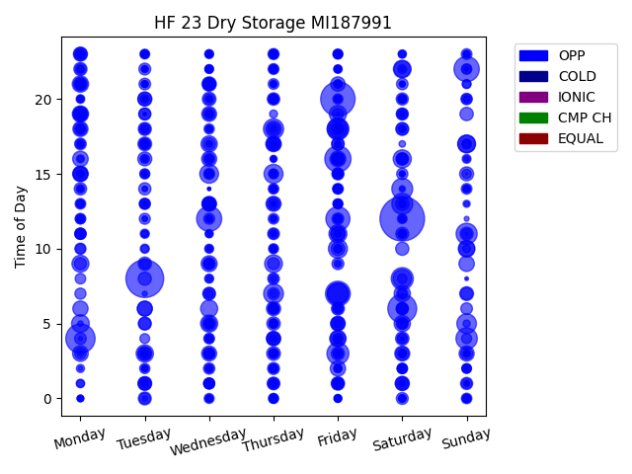
Chg Tim | Week Day | Time of Day | Profile | Charge Start
659 | Saturday | 12 | OPP | 2022-04-23 | Days Recorded
474 | Tuesday | 8 | OPP | 2022-10-04 | 334.45069444
393 | Friday | 20 | OPP | 2022-03-04
285 | Monday | 4 | OPP | 2022-04-25 | Equalizations
276 | Saturday | 6 | OPP | 2022-04-16 | 0
228 | Friday | 16 | OPP | 2022-03-04
212 | Sunday | 22 | OPP | 2022-04-17 | EQs Per Week
209 | Wednesday | 12 | OPP | 2022-01-05
205 | Friday | 7 | OPP | 2022-02-04
192 | Friday | 12 | OPP | 2022-03-04
162 | Saturday | 8 | OPP | 2022-04-23
160 | Friday | 3 | OPP | 2022-03-04
154 | Friday | 18 | OPP | 2022-04-22
151 | Sunday | 4 | OPP | 2022-04-17
150 | Friday | 7 | OPP | 2022-03-04
150 | Friday | 18 | OPP | 2022-11-04
150 | Friday | 7 | OPP | 2022-04-15
147 | Sunday | 11 | OPP | 2022-04-17
145 | Saturday | 14 | OPP | 2022-04-16
145 | Saturday | 13 | OPP | 2022-02-05
135 | Thursday | 18 | OPP | 2022-08-04
130 | Thursday | 7 | OPP | 2022-08-04
127 | Sunday | 5 | OPP | 2022-09-04
120 | Friday | 10 | OPP | 2022-03-04
120 | Thursday | 15 | OPP | 2022-08-04
117 | Wednesday | 15 | OPP | 2022-05-04
114 | Saturday | 8 | OPP | 2022-02-05
109 | Saturday | 16 | OPP | 2022-02-05
108 | Friday | 11 | OPP | 2022-11-04
106 | Sunday | 17 | OPP | 2022-12-04
105 | Thursday | 9 | OPP | 2022-04-21
104 | Friday | 18 | OPP | 2022-04-29
104 | Monday | 5 | OPP | 2022-04-04
104 | Saturday | 22 | OPP | 2022-04-16
101 | Sunday | 17 | OPP | 2022-09-04
100 | Tuesday | 3 | OPP | 2022-04-19
98 | Wednesday | 5 | OPP | 2022-04-27
97 | Wednesday | 6 | OPP | 2022-04-13
97 | Friday | 19 | OPP | 2022-02-04
96 | Monday | 9 | OPP | 2022-04-25
91 | Sunday | 10 | OPP | 2022-09-04
90 | Saturday | 22 | OPP | 2022-04-30
90 | Friday | 4 | OPP | 2022-02-04
89 | Monday | 21 | OPP | 2022-04-18
88 | Saturday | 7 | OPP | 2022-04-30
88 | Wednesday | 17 | OPP | 2022-04-13
88 | Saturday | 5 | OPP | 2022-04-30
87 | Monday | 19 | OPP | 2022-04-04
85 | Sunday | 10 | OPP | 2022-04-17
85 | Wednesday | 9 | OPP | 2022-04-13
83 | Friday | 16 | OPP | 2022-04-22
82 | Monday | 3 | OPP | 2022-04-18
81 | Thursday | 18 | OPP | 2022-04-21
81 | Thursday | 17 | OPP | 2022-04-14
81 | Monday | 15 | OPP | 2022-04-25
80 | Monday | 16 | OPP | 2022-04-18
79 | Sunday | 9 | OPP | 2022-04-17
78 | Friday | 2 | OPP | 2022-04-15
77 | Monday | 6 | OPP | 2022-07-04
76 | Sunday | 3 | OPP | 2022-09-04
76 | Thursday | 13 | OPP | 2022-08-04
76 | Monday | 19 | OPP | 2022-04-18
76 | Monday | 18 | OPP | 2022-04-18
76 | Friday | 4 | OPP | 2022-04-29
75 | Wednesday | 16 | OPP | 2022-04-13
75 | Tuesday | 6 | OPP | 2022-04-26
75 | Wednesday | 3 | OPP | 2022-04-13
75 | Saturday | 3 | OPP | 2022-04-30
74 | Tuesday | 6 | OPP | 2022-04-19
73 | Friday | 5 | OPP | 2022-04-15
73 | Wednesday | 19 | OPP | 2022-05-04
72 | Monday | 15 | OPP | 2022-04-04
70 | Wednesday | 13 | OPP | 2022-04-20
69 | Friday | 21 | OPP | 2022-02-04
69 | Thursday | 17 | OPP | 2022-04-28
69 | Wednesday | 21 | OPP | 2022-01-05
69 | Friday | 11 | OPP | 2022-02-04
68 | Wednesday | 13 | OPP | 2022-05-04
68 | Thursday | 4 | OPP | 2022-04-14
67 | Monday | 15 | OPP | 2022-07-04
67 | Thursday | 6 | OPP | 2022-04-21
67 | Wednesday | 5 | OPP | 2022-04-20
67 | Friday | 11 | OPP | 2022-04-29
66 | Saturday | 1 | OPP | 2022-04-30
65 | Tuesday | 16 | OPP | 2022-04-19
65 | Monday | 23 | OPP | 2022-07-04
65 | Thursday | 4 | OPP | 2022-04-21
65 | Sunday | 15 | OPP | 2022-09-04
65 | Tuesday | 3 | OPP | 2022-10-04
64 | Tuesday | 20 | OPP | 2022-04-26
64 | Saturday | 1 | OPP | 2022-04-16
64 | Sunday | 7 | OPP | 2022-12-04
64 | Tuesday | 20 | OPP | 2022-10-04
63 | Friday | 10 | OPP | 2022-04-22
63 | Thursday | 3 | OPP | 2022-08-04
63 | Tuesday | 17 | OPP | 2022-10-04
62 | Wednesday | 20 | OPP | 2022-05-04
62 | Tuesday | 1 | OPP | 2022-10-04
62 | Monday | 21 | OPP | 2022-07-04
60 | Saturday | 4 | OPP | 2022-04-23
60 | Tuesday | 1 | OPP | 2022-04-19
60 | Thursday | 5 | OPP | 2022-04-21
60 | Friday | 5 | OPP | 2022-02-04
60 | Friday | 1 | OPP | 2022-03-04
59 | Saturday | 13 | OPP | 2022-04-30
59 | Sunday | 19 | OPP | 2022-09-04
59 | Monday | 23 | OPP | 2022-04-18
59 | Thursday | 17 | OPP | 2022-04-21
59 | Wednesday | 13 | OPP | 2022-04-13
59 | Tuesday | 9 | OPP | 2022-04-19
59 | Thursday | 13 | OPP | 2022-04-21
58 | Monday | 22 | OPP | 2022-04-18
58 | Friday | 5 | OPP | 2022-04-22
58 | Saturday | 3 | OPP | 2022-04-16
58 | Friday | 3 | OPP | 2022-04-22
58 | Saturday | 10 | OPP | 2022-06-04
58 | Friday | 16 | OPP | 2022-04-15
58 | Monday | 19 | OPP | 2022-07-04
57 | Tuesday | 18 | OPP | 2022-04-19
57 | Tuesday | 8 | OPP | 2022-04-26
57 | Sunday | 11 | OPP | 2022-12-04
56 | Tuesday | 0 | OPP | 2022-04-26
56 | Saturday | 18 | OPP | 2022-04-30
56 | Wednesday | 21 | OPP | 2022-05-04
56 | Tuesday | 3 | OPP | 2022-04-26
56 | Friday | 6 | OPP | 2022-04-22
55 | Saturday | 11 | OPP | 2022-06-04
54 | Monday | 18 | OPP | 2022-07-04
54 | Tuesday | 5 | OPP | 2022-04-19
53 | Wednesday | 17 | OPP | 2022-05-04
53 | Thursday | 1 | OPP | 2022-04-21
53 | Tuesday | 5 | OPP | 2022-10-04
52 | Thursday | 20 | OPP | 2022-04-14
52 | Wednesday | 7 | OPP | 2022-04-13
52 | Friday | 17 | OPP | 2022-11-04
52 | Wednesday | 21 | OPP | 2022-04-13
51 | Saturday | 16 | OPP | 2022-06-04
51 | Monday | 14 | OPP | 2022-04-18
51 | Friday | 17 | OPP | 2022-02-04
51 | Wednesday | 9 | OPP | 2022-04-27
51 | Saturday | 6 | OPP | 2022-04-23
51 | Wednesday | 7 | OPP | 2022-04-27
51 | Wednesday | 19 | OPP | 2022-04-20
50 | Friday | 18 | OPP | 2022-02-04
50 | Tuesday | 14 | OPP | 2022-04-19
50 | Friday | 1 | OPP | 2022-04-15
50 | Thursday | 4 | OPP | 2022-04-28
49 | Saturday | 20 | OPP | 2022-04-16
49 | Friday | 15 | OPP | 2022-02-04
49 | Sunday | 3 | OPP | 2022-04-17
49 | Monday | 9 | OPP | 2022-07-04
49 | Sunday | 1 | OPP | 2022-09-04
49 | Saturday | 5 | OPP | 2022-04-16
49 | Tuesday | 19 | OPP | 2022-04-19
48 | Sunday | 7 | OPP | 2022-09-04
48 | Saturday | 19 | OPP | 2022-04-16
48 | Saturday | 18 | OPP | 2022-04-16
48 | Thursday | 2 | OPP | 2022-08-04
48 | Wednesday | 13 | OPP | 2022-04-27
47 | Wednesday | 3 | OPP | 2022-05-04
47 | Thursday | 7 | OPP | 2022-04-14
47 | Monday | 21 | OPP | 2022-04-04
47 | Thursday | 1 | OPP | 2022-08-04
47 | Saturday | 0 | OPP | 2022-04-30
47 | Thursday | 18 | OPP | 2022-04-14
47 | Tuesday | 22 | OPP | 2022-04-19
47 | Thursday | 9 | OPP | 2022-04-28
47 | Tuesday | 1 | OPP | 2022-10-04
47 | Wednesday | 21 | OPP | 2022-04-20
47 | Friday | 9 | OPP | 2022-04-15
47 | Monday | 19 | OPP | 2022-04-25
46 | Thursday | 11 | OPP | 2022-08-04
46 | Friday | 12 | OPP | 2022-04-15
45 | Saturday | 6 | OPP | 2022-02-05
45 | Thursday | 8 | OPP | 2022-04-28
45 | Monday | 17 | OPP | 2022-07-04
45 | Tuesday | 21 | OPP | 2022-04-19
45 | Monday | 4 | OPP | 2022-07-04
45 | Wednesday | 16 | OPP | 2022-04-20
45 | Saturday | 16 | OPP | 2022-04-16
45 | Friday | 16 | OPP | 2022-11-04
45 | Tuesday | 19 | OPP | 2022-04-26
45 | Sunday | 6 | OPP | 2022-12-04
44 | Monday | 3 | OPP | 2022-07-04
44 | Saturday | 21 | OPP | 2022-04-16
43 | Friday | 1 | OPP | 2022-04-29
43 | Saturday | 19 | OPP | 2022-04-30
43 | Saturday | 16 | OPP | 2022-04-30
43 | Saturday | 1 | OPP | 2022-04-23
43 | Sunday | 20 | OPP | 2022-12-04
43 | Wednesday | 2 | OPP | 2022-04-20
42 | Saturday | 15 | OPP | 2022-04-30
42 | Monday | 11 | OPP | 2022-07-04
42 | Tuesday | 18 | OPP | 2022-01-04
42 | Saturday | 7 | OPP | 2022-04-23
42 | Thursday | 6 | OPP | 2022-04-28
42 | Monday | 11 | OPP | 2022-04-25
42 | Tuesday | 13 | OPP | 2022-04-19
41 | Friday | 6 | OPP | 2022-11-04
41 | Wednesday | 15 | OPP | 2022-04-27
41 | Wednesday | 1 | OPP | 2022-05-04
41 | Monday | 7 | OPP | 2022-04-04
41 | Thursday | 23 | OPP | 2022-04-14
41 | Monday | 10 | OPP | 2022-04-18
41 | Friday | 19 | OPP | 2022-04-15
41 | Saturday | 6 | OPP | 2022-06-04
40 | Monday | 11 | OPP | 2022-04-18
40 | Tuesday | 0 | OPP | 2022-10-04
40 | Wednesday | 20 | OPP | 2022-04-20
40 | Saturday | 6 | OPP | 2022-04-30
40 | Wednesday | 12 | OPP | 2022-05-04
40 | Tuesday | 17 | OPP | 2022-04-26
40 | Tuesday | 17 | OPP | 2022-04-19
40 | Tuesday | 12 | OPP | 2022-04-19
40 | Friday | 15 | OPP | 2022-11-04
40 | Wednesday | 9 | OPP | 2022-05-04
39 | Saturday | 4 | OPP | 2022-06-04
39 | Thursday | 22 | OPP | 2022-08-04
39 | Friday | 14 | OPP | 2022-02-04
39 | Monday | 21 | OPP | 2022-04-25
39 | Monday | 22 | OPP | 2022-04-04
39 | Wednesday | 3 | OPP | 2022-04-20
39 | Wednesday | 1 | OPP | 2022-01-05
38 | Monday | 23 | OPP | 2022-04-25
38 | Thursday | 12 | OPP | 2022-04-21
38 | Wednesday | 4 | OPP | 2022-05-04
38 | Wednesday | 3 | OPP | 2022-05-04
38 | Thursday | 21 | OPP | 2022-04-14
38 | Sunday | 23 | OPP | 2022-09-04
38 | Sunday | 14 | OPP | 2022-12-04
38 | Monday | 13 | OPP | 2022-04-25
38 | Thursday | 6 | OPP | 2022-08-04
38 | Friday | 4 | OPP | 2022-04-15
38 | Wednesday | 1 | OPP | 2022-04-20
37 | Tuesday | 13 | OPP | 2022-04-26
37 | Sunday | 0 | OPP | 2022-12-04
37 | Friday | 16 | OPP | 2022-04-29
37 | Saturday | 5 | OPP | 2022-06-04
37 | Wednesday | 5 | OPP | 2022-05-04
37 | Monday | 8 | OPP | 2022-07-04
36 | Wednesday | 1 | OPP | 2022-04-20
36 | Monday | 12 | OPP | 2022-04-25
36 | Thursday | 14 | OPP | 2022-04-14
36 | Saturday | 2 | OPP | 2022-04-23
36 | Sunday | 20 | OPP | 2022-09-04
36 | Friday | 1 | OPP | 2022-04-22
36 | Thursday | 6 | OPP | 2022-04-14
35 | Wednesday | 18 | OPP | 2022-04-20
35 | Thursday | 3 | OPP | 2022-04-14
35 | Sunday | 22 | OPP | 2022-04-24
35 | Sunday | 1 | OPP | 2022-04-17
35 | Monday | 12 | OPP | 2022-07-04
35 | Saturday | 2 | OPP | 2022-06-04
35 | Tuesday | 2 | OPP | 2022-04-26
34 | Friday | 23 | OPP | 2022-02-04
34 | Thursday | 20 | OPP | 2022-04-21
34 | Wednesday | 5 | OPP | 2022-04-13
34 | Thursday | 13 | OPP | 2022-04-14
34 | Sunday | 4 | OPP | 2022-12-04
34 | Thursday | 11 | OPP | 2022-04-28
34 | Friday | 13 | OPP | 2022-02-04
34 | Wednesday | 13 | OPP | 2022-05-04
34 | Tuesday | 9 | OPP | 2022-04-26
34 | Friday | 20 | OPP | 2022-11-04
34 | Friday | 16 | OPP | 2022-11-04
33 | Wednesday | 0 | OPP | 2022-05-04
33 | Tuesday | 15 | OPP | 2022-04-26
33 | Friday | 15 | OPP | 2022-04-15
33 | Thursday | 0 | OPP | 2022-04-28
33 | Monday | 10 | OPP | 2022-07-04
33 | Sunday | 11 | OPP | 2022-09-04
33 | Saturday | 2 | OPP | 2022-04-16
32 | Tuesday | 4 | OPP | 2022-04-26
32 | Wednesday | 9 | OPP | 2022-04-20
32 | Thursday | 0 | OPP | 2022-04-14
32 | Thursday | 15 | OPP | 2022-04-14
32 | Sunday | 2 | OPP | 2022-12-04
32 | Thursday | 10 | OPP | 2022-04-14
32 | Sunday | 17 | OPP | 2022-12-04
32 | Monday | 17 | OPP | 2022-04-25
32 | Tuesday | 23 | OPP | 2022-04-26
32 | Thursday | 20 | OPP | 2022-08-04
32 | Friday | 3 | OPP | 2022-02-04
32 | Sunday | 22 | OPP | 2022-09-04
31 | Saturday | 5 | OPP | 2022-02-05
31 | Tuesday | 15 | OPP | 2022-04-19
31 | Thursday | 5 | OPP | 2022-04-28
31 | Thursday | 23 | OPP | 2022-08-04
31 | Thursday | 8 | OPP | 2022-04-28
31 | Thursday | 2 | OPP | 2022-04-28
31 | Saturday | 12 | OPP | 2022-04-16
31 | Wednesday | 5 | OPP | 2022-05-04
31 | Friday | 14 | OPP | 2022-04-29
31 | Wednesday | 4 | OPP | 2022-04-20
30 | Thursday | 20 | OPP | 2022-08-04
30 | Tuesday | 13 | OPP | 2022-04-19
30 | Saturday | 8 | OPP | 2022-06-04
30 | Thursday | 3 | OPP | 2022-08-04
30 | Thursday | 17 | OPP | 2022-08-04
29 | Sunday | 15 | OPP | 2022-12-04
29 | Monday | 18 | OPP | 2022-07-04
29 | Friday | 13 | OPP | 2022-04-22
29 | Saturday | 16 | OPP | 2022-06-04
29 | Saturday | 19 | OPP | 2022-06-04
29 | Friday | 3 | OPP | 2022-04-15
29 | Tuesday | 16 | OPP | 2022-04-26
29 | Friday | 23 | OPP | 2022-04-22
29 | Thursday | 22 | OPP | 2022-04-14
29 | Thursday | 14 | OPP | 2022-04-28
29 | Saturday | 20 | OPP | 2022-04-16
29 | Wednesday | 15 | OPP | 2022-05-04
29 | Thursday | 15 | OPP | 2022-04-28
29 | Wednesday | 19 | OPP | 2022-04-27
28 | Sunday | 2 | OPP | 2022-04-17
28 | Monday | 21 | OPP | 2022-04-25
28 | Tuesday | 20 | OPP | 2022-01-04
28 | Saturday | 22 | OPP | 2022-06-04
28 | Thursday | 23 | OPP | 2022-04-28
28 | Thursday | 10 | OPP | 2022-04-14
28 | Tuesday | 11 | OPP | 2022-04-19
28 | Friday | 15 | OPP | 2022-04-29
28 | Wednesday | 1 | OPP | 2022-04-27
28 | Tuesday | 10 | OPP | 2022-04-26
27 | Friday | 14 | OPP | 2022-04-15
27 | Friday | 6 | OPP | 2022-03-04
27 | Wednesday | 8 | OPP | 2022-05-04
27 | Sunday | 21 | OPP | 2022-09-04
27 | Saturday | 4 | OPP | 2022-04-16
27 | Friday | 14 | OPP | 2022-11-04
27 | Wednesday | 16 | OPP | 2022-04-27
27 | Monday | 18 | OPP | 2022-04-18
27 | Thursday | 6 | OPP | 2022-04-28
27 | Wednesday | 21 | OPP | 2022-04-27
26 | Wednesday | 22 | OPP | 2022-05-04
26 | Thursday | 20 | OPP | 2022-04-14
26 | Friday | 13 | OPP | 2022-04-22
26 | Thursday | 5 | OPP | 2022-04-14
26 | Monday | 19 | OPP | 2022-04-25
26 | Thursday | 5 | OPP | 2022-08-04
26 | Thursday | 1 | OPP | 2022-04-14
26 | Friday | 12 | OPP | 2022-04-29
26 | Wednesday | 1 | OPP | 2022-04-13
26 | Wednesday | 23 | OPP | 2022-04-20
26 | Thursday | 20 | OPP | 2022-04-28
26 | Monday | 23 | OPP | 2022-04-04
26 | Saturday | 11 | OPP | 2022-02-05
26 | Wednesday | 2 | OPP | 2022-04-13
26 | Wednesday | 10 | OPP | 2022-05-04
26 | Monday | 13 | OPP | 2022-04-04
26 | Sunday | 16 | OPP | 2022-09-04
26 | Sunday | 2 | OPP | 2022-04-17
26 | Tuesday | 18 | OPP | 2022-04-26
26 | Friday | 23 | OPP | 2022-04-29
25 | Monday | 11 | OPP | 2022-04-04
25 | Friday | 18 | OPP | 2022-04-15
25 | Thursday | 1 | OPP | 2022-04-28
25 | Friday | 15 | OPP | 2022-04-29
25 | Friday | 4 | OPP | 2022-11-04
25 | Thursday | 22 | OPP | 2022-04-28
25 | Monday | 14 | OPP | 2022-07-04
25 | Friday | 10 | OPP | 2022-02-04
25 | Monday | 18 | OPP | 2022-04-25
25 | Monday | 20 | OPP | 2022-04-25
25 | Friday | 21 | OPP | 2022-04-29
24 | Thursday | 3 | OPP | 2022-04-21
24 | Saturday | 7 | OPP | 2022-06-04
24 | Friday | 22 | OPP | 2022-04-22
24 | Saturday | 20 | OPP | 2022-06-04
24 | Wednesday | 23 | OPP | 2022-05-04
24 | Thursday | 0 | OPP | 2022-04-21
24 | Monday | 1 | OPP | 2022-07-04
24 | Friday | 13 | OPP | 2022-11-04
24 | Friday | 14 | OPP | 2022-04-22
24 | Friday | 12 | OPP | 2022-04-15
24 | Saturday | 3 | OPP | 2022-04-23
24 | Tuesday | 23 | OPP | 2022-04-19
24 | Wednesday | 7 | OPP | 2022-04-20
23 | Sunday | 0 | OPP | 2022-04-17
23 | Saturday | 23 | OPP | 2022-06-04
23 | Friday | 5 | OPP | 2022-04-15
23 | Wednesday | 11 | OPP | 2022-04-20
23 | Saturday | 12 | OPP | 2022-04-16
23 | Friday | 2 | OPP | 2022-04-22
23 | Saturday | 11 | OPP | 2022-04-16
23 | Friday | 20 | OPP | 2022-04-15
23 | Thursday | 2 | OPP | 2022-04-28
23 | Wednesday | 10 | OPP | 2022-04-27
23 | Sunday | 0 | OPP | 2022-12-04
23 | Friday | 15 | OPP | 2022-04-22
23 | Wednesday | 22 | OPP | 2022-04-13
23 | Wednesday | 15 | OPP | 2022-04-13
23 | Sunday | 17 | OPP | 2022-12-04
23 | Sunday | 21 | OPP | 2022-12-04
22 | Sunday | 0 | OPP | 2022-04-17
22 | Monday | 2 | OPP | 2022-07-04
22 | Saturday | 3 | OPP | 2022-04-16
22 | Saturday | 11 | OPP | 2022-04-16
22 | Saturday | 13 | OPP | 2022-04-16
22 | Wednesday | 22 | OPP | 2022-04-13
22 | Friday | 1 | OPP | 2022-02-04
22 | Wednesday | 8 | OPP | 2022-04-27
22 | Thursday | 2 | OPP | 2022-04-14
22 | Friday | 23 | OPP | 2022-04-22
22 | Friday | 18 | OPP | 2022-04-29
22 | Tuesday | 3 | OPP | 2022-10-04
22 | Wednesday | 0 | OPP | 2022-04-27
22 | Wednesday | 9 | OPP | 2022-04-20
21 | Monday | 13 | OPP | 2022-04-18
21 | Saturday | 0 | OPP | 2022-04-16
21 | Friday | 22 | OPP | 2022-11-04
21 | Friday | 16 | OPP | 2022-04-15
21 | Tuesday | 23 | OPP | 2022-01-04
21 | Monday | 16 | OPP | 2022-04-25
21 | Thursday | 7 | OPP | 2022-04-28
21 | Friday | 0 | OPP | 2022-02-04
21 | Thursday | 12 | OPP | 2022-04-14
21 | Tuesday | 3 | OPP | 2022-04-26
21 | Thursday | 19 | OPP | 2022-04-14
21 | Friday | 2 | OPP | 2022-02-04
21 | Friday | 13 | OPP | 2022-04-29
20 | Friday | 16 | OPP | 2022-02-04
20 | Monday | 12 | OPP | 2022-04-04
20 | Sunday | 14 | OPP | 2022-09-04
20 | Wednesday | 1 | OPP | 2022-04-27
20 | Friday | 21 | OPP | 2022-04-22
20 | Wednesday | 3 | OPP | 2022-04-13
20 | Sunday | 10 | OPP | 2022-12-04
20 | Saturday | 23 | OPP | 2022-06-04
20 | Friday | 13 | OPP | 2022-02-04
20 | Friday | 10 | OPP | 2022-04-15
20 | Friday | 9 | OPP | 2022-04-22
20 | Friday | 0 | OPP | 2022-02-04
19 | Monday | 15 | OPP | 2022-04-18
19 | Monday | 21 | OPP | 2022-07-04
19 | Sunday | 14 | OPP | 2022-12-04
19 | Monday | 1 | OPP | 2022-07-04
19 | Tuesday | 3 | OPP | 2022-04-19
19 | Tuesday | 2 | OPP | 2022-04-19
19 | Friday | 21 | OPP | 2022-04-22
19 | Wednesday | 16 | OPP | 2022-04-27
19 | Wednesday | 2 | OPP | 2022-04-27
19 | Monday | 17 | OPP | 2022-04-04
19 | Thursday | 0 | OPP | 2022-04-21
19 | Friday | 23 | OPP | 2022-11-04
19 | Wednesday | 3 | OPP | 2022-04-27
19 | Tuesday | 10 | OPP | 2022-04-19
19 | Saturday | 3 | OPP | 2022-04-23
19 | Thursday | 23 | OPP | 2022-04-21
19 | Wednesday | 3 | OPP | 2022-04-20
19 | Sunday | 3 | OPP | 2022-12-04
19 | Friday | 23 | OPP | 2022-02-04
19 | Wednesday | 19 | OPP | 2022-04-13
19 | Wednesday | 5 | OPP | 2022-04-20
19 | Thursday | 0 | OPP | 2022-08-04
18 | Monday | 20 | OPP | 2022-04-04
18 | Wednesday | 4 | OPP | 2022-04-20
18 | Friday | 6 | OPP | 2022-04-15
18 | Thursday | 4 | OPP | 2022-04-28
18 | Friday | 2 | OPP | 2022-04-29
18 | Wednesday | 11 | OPP | 2022-04-27
18 | Thursday | 20 | OPP | 2022-04-28
18 | Wednesday | 20 | OPP | 2022-04-13
18 | Tuesday | 11 | OPP | 2022-04-26
18 | Tuesday | 17 | OPP | 2022-01-04
18 | Friday | 1 | OPP | 2022-03-04
18 | Saturday | 18 | OPP | 2022-06-04
18 | Saturday | 0 | OPP | 2022-06-04
18 | Wednesday | 5 | OPP | 2022-04-13
18 | Friday | 10 | OPP | 2022-11-04
18 | Thursday | 1 | OPP | 2022-04-28
18 | Saturday | 18 | OPP | 2022-06-04
18 | Monday | 22 | OPP | 2022-04-25
18 | Friday | 22 | OPP | 2022-04-15
18 | Wednesday | 15 | OPP | 2022-04-20
18 | Wednesday | 18 | OPP | 2022-04-27
18 | Thursday | 21 | OPP | 2022-04-21
17 | Tuesday | 21 | OPP | 2022-04-19
17 | Wednesday | 1 | OPP | 2022-04-27
17 | Sunday | 20 | OPP | 2022-12-04
17 | Sunday | 13 | OPP | 2022-12-04
17 | Wednesday | 18 | OPP | 2022-04-27
17 | Sunday | 5 | OPP | 2022-12-04
17 | Monday | 15 | OPP | 2022-04-18
17 | Thursday | 11 | OPP | 2022-04-14
17 | Thursday | 16 | OPP | 2022-04-14
17 | Thursday | 3 | OPP | 2022-04-14
17 | Wednesday | 12 | OPP | 2022-04-20
17 | Wednesday | 23 | OPP | 2022-04-13
17 | Tuesday | 1 | OPP | 2022-04-26
17 | Sunday | 23 | OPP | 2022-12-04
17 | Monday | 22 | OPP | 2022-04-25
17 | Tuesday | 22 | OPP | 2022-01-04
17 | Wednesday | 4 | OPP | 2022-04-27
17 | Wednesday | 12 | OPP | 2022-04-27
17 | Sunday | 23 | OPP | 2022-12-04
17 | Friday | 11 | OPP | 2022-04-22
16 | Friday | 15 | OPP | 2022-04-15
16 | Thursday | 4 | OPP | 2022-04-28
16 | Friday | 11 | OPP | 2022-04-15
16 | Friday | 17 | OPP | 2022-04-22
16 | Monday | 0 | OPP | 2022-07-04
16 | Thursday | 10 | OPP | 2022-04-28
16 | Saturday | 2 | OPP | 2022-06-04
16 | Wednesday | 17 | OPP | 2022-04-20
16 | Friday | 23 | OPP | 2022-04-15
16 | Friday | 15 | OPP | 2022-04-22
16 | Tuesday | 3 | OPP | 2022-10-04
16 | Tuesday | 18 | OPP | 2022-04-26
16 | Monday | 21 | OPP | 2022-04-04
16 | Friday | 0 | OPP | 2022-02-04
16 | Tuesday | 16 | OPP | 2022-01-04
16 | Saturday | 20 | OPP | 2022-06-04
16 | Tuesday | 21 | OPP | 2022-01-04
16 | Sunday | 16 | OPP | 2022-12-04
16 | Saturday | 20 | OPP | 2022-06-04
15 | Wednesday | 23 | OPP | 2022-05-04
15 | Thursday | 1 | OPP | 2022-04-21
15 | Monday | 12 | OPP | 2022-04-04
15 | Monday | 20 | OPP | 2022-04-25
15 | Monday | 23 | OPP | 2022-04-04
15 | Saturday | 3 | OPP | 2022-04-23
14 | Wednesday | 15 | OPP | 2022-04-20
14 | Tuesday | 22 | OPP | 2022-04-26
14 | Wednesday | 23 | OPP | 2022-04-13
14 | Monday | 17 | OPP | 2022-04-04
14 | Monday | 15 | OPP | 2022-04-18
14 | Thursday | 10 | OPP | 2022-04-28
14 | Wednesday | 0 | OPP | 2022-04-20
14 | Saturday | 0 | OPP | 2022-04-23
14 | Tuesday | 11 | OPP | 2022-04-26
14 | Saturday | 17 | OPP | 2022-06-04
14 | Tuesday | 17 | OPP | 2022-04-26
14 | Thursday | 14 | OPP | 2022-04-28
14 | Saturday | 21 | OPP | 2022-04-30
14 | Saturday | 2 | OPP | 2022-04-16
14 | Monday | 0 | OPP | 2022-07-04
14 | Thursday | 22 | OPP | 2022-04-21
14 | Tuesday | 15 | OPP | 2022-01-04
14 | Tuesday | 1 | OPP | 2022-04-26
13 | Thursday | 3 | OPP | 2022-04-21
13 | Monday | 13 | OPP | 2022-04-04
13 | Wednesday | 18 | OPP | 2022-04-20
13 | Thursday | 22 | OPP | 2022-04-21
13 | Thursday | 0 | OPP | 2022-04-21
13 | Tuesday | 2 | OPP | 2022-04-26
13 | Saturday | 14 | OPP | 2022-06-04
13 | Wednesday | 23 | OPP | 2022-05-04
13 | Friday | 0 | OPP | 2022-04-29
13 | Friday | 20 | OPP | 2022-04-15
13 | Saturday | 13 | OPP | 2022-06-04
13 | Saturday | 20 | OPP | 2022-04-16
13 | Sunday | 20 | OPP | 2022-12-04
13 | Sunday | 23 | OPP | 2022-09-04
13 | Monday | 0 | OPP | 2022-07-04
13 | Wednesday | 19 | OPP | 2022-04-13
13 | Wednesday | 0 | OPP | 2022-04-20
13 | Friday | 0 | OPP | 2022-04-29
13 | Thursday | 11 | OPP | 2022-04-28
13 | Thursday | 15 | OPP | 2022-08-04
12 | Monday | 14 | OPP | 2022-04-25
12 | Thursday | 8 | OPP | 2022-04-28
12 | Saturday | 15 | OPP | 2022-06-04
12 | Monday | 15 | OPP | 2022-04-18
12 | Thursday | 18 | OPP | 2022-04-21
12 | Thursday | 21 | OPP | 2022-08-04
12 | Saturday | 11 | OPP | 2022-04-30
12 | Thursday | 16 | OPP | 2022-04-14
12 | Wednesday | 11 | OPP | 2022-04-27
12 | Friday | 12 | OPP | 2022-04-22
12 | Monday | 15 | OPP | 2022-07-04
12 | Friday | 6 | OPP | 2022-04-22
12 | Saturday | 15 | OPP | 2022-06-04
12 | Monday | 3 | OPP | 2022-07-04
12 | Wednesday | 15 | OPP | 2022-04-13
12 | Wednesday | 20 | OPP | 2022-04-20
12 | Thursday | 12 | OPP | 2022-04-28
12 | Tuesday | 23 | OPP | 2022-04-19
12 | Saturday | 1 | OPP | 2022-06-04
12 | Tuesday | 15 | OPP | 2022-01-04
11 | Tuesday | 12 | OPP | 2022-04-26
11 | Saturday | 0 | OPP | 2022-04-23
11 | Thursday | 17 | OPP | 2022-04-14
11 | Thursday | 22 | OPP | 2022-04-14
11 | Thursday | 21 | OPP | 2022-04-28
11 | Monday | 23 | OPP | 2022-07-04
11 | Friday | 20 | OPP | 2022-04-22
11 | Thursday | 14 | OPP | 2022-04-28
11 | Tuesday | 14 | OPP | 2022-01-04
11 | Thursday | 23 | OPP | 2022-04-21
11 | Sunday | 1 | OPP | 2022-12-04
11 | Friday | 0 | OPP | 2022-04-22
11 | Thursday | 14 | OPP | 2022-04-21
11 | Saturday | 1 | OPP | 2022-04-23
11 | Thursday | 14 | OPP | 2022-04-14
11 | Tuesday | 23 | OPP | 2022-04-26
11 | Wednesday | 22 | OPP | 2022-04-27
11 | Wednesday | 5 | OPP | 2022-04-27
11 | Monday | 16 | OPP | 2022-04-18
11 | Wednesday | 23 | OPP | 2022-04-20
11 | Wednesday | 12 | OPP | 2022-04-13
11 | Tuesday | 1 | OPP | 2022-04-26
11 | Sunday | 0 | OPP | 2022-09-04
11 | Monday | 12 | OPP | 2022-04-18
11 | Friday | 17 | OPP | 2022-04-29
11 | Thursday | 1 | OPP | 2022-04-14
11 | Thursday | 3 | OPP | 2022-04-14
11 | Monday | 14 | OPP | 2022-04-25
10 | Sunday | 3 | OPP | 2022-09-04
10 | Friday | 14 | OPP | 2022-04-22
10 | Wednesday | 12 | OPP | 2022-04-13
10 | Thursday | 21 | OPP | 2022-04-14
10 | Thursday | 16 | OPP | 2022-04-28
10 | Thursday | 12 | OPP | 2022-04-14
10 | Monday | 5 | OPP | 2022-07-04
10 | Saturday | 12 | OPP | 2022-04-30
10 | Friday | 0 | OPP | 2022-04-15
10 | Wednesday | 17 | OPP | 2022-04-27
10 | Saturday | 12 | OPP | 2022-06-04
10 | Friday | 22 | OPP | 2022-04-29
10 | Saturday | 23 | OPP | 2022-06-04
10 | Thursday | 12 | OPP | 2022-04-21
10 | Thursday | 10 | OPP | 2022-04-21
10 | Wednesday | 23 | OPP | 2022-04-27
10 | Wednesday | 23 | OPP | 2022-04-27
10 | Thursday | 22 | OPP | 2022-04-21
10 | Saturday | 18 | OPP | 2022-06-04
10 | Thursday | 0 | OPP | 2022-04-28
10 | Thursday | 23 | OPP | 2022-04-21
10 | Wednesday | 10 | OPP | 2022-04-27
9 | Tuesday | 22 | OPP | 2022-01-04
9 | Thursday | 12 | OPP | 2022-04-21
9 | Wednesday | 20 | OPP | 2022-04-20
9 | Sunday | 1 | OPP | 2022-09-04
9 | Friday | 22 | OPP | 2022-04-29
9 | Wednesday | 20 | OPP | 2022-04-27
9 | Monday | 17 | OPP | 2022-04-04
9 | Wednesday | 1 | OPP | 2022-05-04
9 | Wednesday | 5 | OPP | 2022-04-27
9 | Tuesday | 22 | OPP | 2022-01-04
9 | Thursday | 5 | OPP | 2022-04-14
9 | Thursday | 2 | OPP | 2022-04-21
9 | Friday | 2 | OPP | 2022-02-04
9 | Saturday | 21 | OPP | 2022-06-04
9 | Wednesday | 5 | OPP | 2022-04-13
9 | Sunday | 3 | OPP | 2022-09-04
9 | Monday | 12 | OPP | 2022-04-18
9 | Saturday | 19 | OPP | 2022-06-04
9 | Saturday | 3 | OPP | 2022-06-04
9 | Thursday | 15 | OPP | 2022-04-21
9 | Friday | 1 | OPP | 2022-04-15
9 | Friday | 18 | OPP | 2022-04-15
9 | Wednesday | 0 | OPP | 2022-04-27
9 | Friday | 0 | OPP | 2022-04-22
9 | Wednesday | 2 | OPP | 2022-04-20
9 | Friday | 13 | OPP | 2022-11-04
9 | Monday | 14 | OPP | 2022-07-04
9 | Friday | 0 | OPP | 2022-03-04
9 | Tuesday | 21 | OPP | 2022-04-26
9 | Monday | 20 | OPP | 2022-07-04
9 | Tuesday | 20 | OPP | 2022-04-26
9 | Wednesday | 21 | OPP | 2022-04-27
9 | Friday | 11 | OPP | 2022-11-04
9 | Tuesday | 0 | OPP | 2022-10-04
9 | Wednesday | 4 | OPP | 2022-04-27
...

CA3
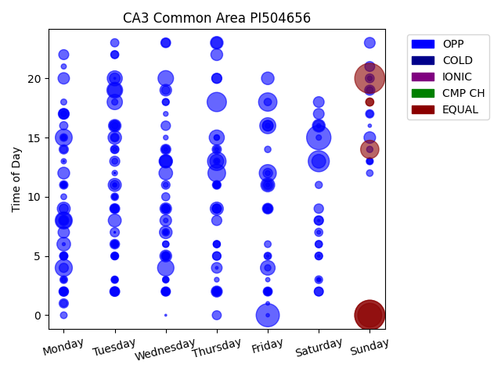
Week Day | Time of Day | Profile | Charge Start
Sunday | 0 | EQUAL | 2022-05-01 | Days Recorded
Sunday | 20 | EQUAL | 2022-04-10 | 376.29236111
Sunday | 0 | EQUAL | 2021-05-02
Saturday | 15 | OPP | 2022-04-30 | Equalizations
Sunday | 0 | EQUAL | 2021-04-25 | 7
Friday | 0 | OPP | 2021-05-07
Saturday | 13 | OPP | 2021-04-24 | EQs Per Week
Thursday | 18 | OPP | 2021-06-03
Thursday | 13 | OPP | 2021-05-27
Friday | 18 | OPP | 2021-04-30 | Invalid Disconnects
Sunday | 14 | EQUAL | 2022-05-01 | 203
Thursday | 12 | OPP | 2021-06-03 | 68%
Monday | 4 | OPP | 2021-04-26
Friday | 12 | OPP | 2021-05-14
Monday | 8 | OPP | 2021-06-07
Monday | 15 | OPP | 2021-05-10
Wednesday | 4 | OPP | 2021-05-19
Friday | 16 | OPP | 2021-06-04
Tuesday | 19 | OPP | 2021-05-04
Wednesday | 20 | OPP | 2021-05-19
Monday | 8 | OPP | 2021-05-10
Tuesday | 18 | OPP | 2021-05-25
Thursday | 15 | OPP | 2021-04-29
Tuesday | 20 | OPP | 2021-05-11
Friday | 4 | OPP | 2021-04-30
Friday | 11 | OPP | 2021-04-30
Thursday | 13 | OPP | 2021-05-13
Tuesday | 19 | OPP | 2021-06-01
Saturday | 13 | OPP | 2021-06-05
Monday | 6 | OPP | 2021-05-10
Wednesday | 12 | OPP | 2021-06-02
Tuesday | 15 | OPP | 2021-04-27
Wednesday | 13 | OPP | 2021-05-19
...

CA1
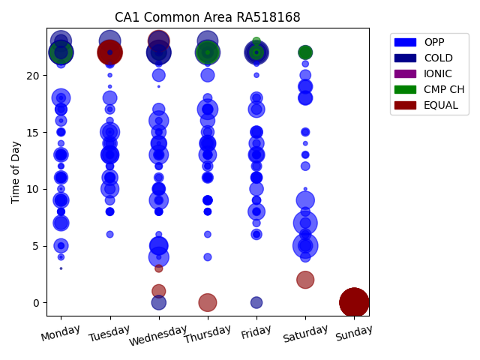
Week Day | Time of Day | Profile | Charge Start
Sunday | 0 | EQUAL | 2022-03-20 | Days Recorded
Sunday | 0 | EQUAL | 2022-05-01 | 51.352777778
Sunday | 0 | EQUAL | 2022-04-17
Sunday | 0 | EQUAL | 2022-04-10 | Equalizations
Sunday | 0 | EQUAL | 2022-04-24 | 17
Sunday | 0 | EQUAL | 2022-04-03
Sunday | 0 | EQUAL | 2022-03-27 | EQs Per Week
Tuesday | 22 | EQUAL | 2022-03-15
Saturday | 5 | OPP | 2022-04-09
Thursday | 22 | COLD | 2022-03-24 | Invalid Disconnects
Monday | 22 | COLD | 2022-03-28 | 136
Wednesday | 22 | COLD | 2022-03-16 | 45%
Monday | 22 | COLD | 2022-03-21
Friday | 22 | COLD | 2022-04-01
Wednesday | 22 | COLD | 2022-03-30
Saturday | 7 | OPP | 2022-03-19
Tuesday | 22 | EQUAL | 2022-04-19
Tuesday | 22 | EQUAL | 2022-04-12
Tuesday | 22 | EQUAL | 2022-04-26
Thursday | 22 | CMP CH | 2022-05-05
Monday | 22 | CMP CH | 2022-04-11
Friday | 22 | COLD | 2022-03-25
Wednesday | 23 | EQUAL | 2022-04-06
Tuesday | 23 | COLD | 2022-04-05
Monday | 23 | COLD | 2022-04-04
Thursday | 23 | COLD | 2022-04-07
Thursday | 17 | OPP | 2022-03-24
Thursday | 22 | CMP CH | 2022-03-31
Wednesday | 4 | OPP | 2022-03-23
Wednesday | 23 | COLD | 2022-04-27
Wednesday | 16 | OPP | 2022-04-06
Tuesday | 15 | OPP | 2022-03-29
Tuesday | 22 | COLD | 2022-03-22
...

OR-1
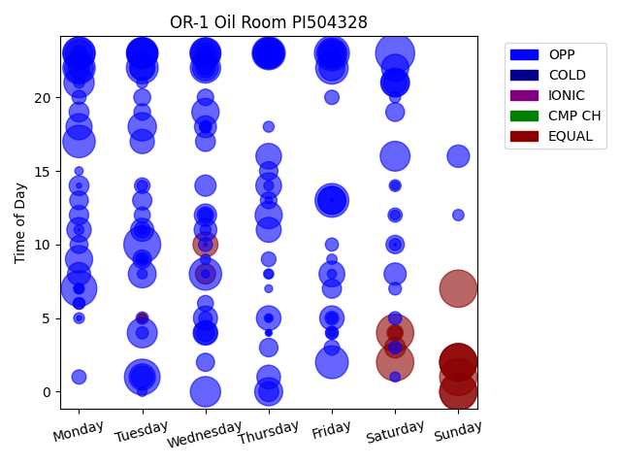
Week Day | Time of Day | Profile | Charge Start
Saturday | 23 | OPP | 2022-04-02 | Days Recorded
Sunday | 2 | EQUAL | 2022-02-20 | 102.52083333
Sunday | 1 | EQUAL | 2022-03-20
Sunday | 0 | EQUAL | 2022-05-01 | Equalizations
Sunday | 7 | EQUAL | 2022-04-03 | 15
Saturday | 2 | EQUAL | 2022-02-26
Sunday | 0 | EQUAL | 2022-04-17 | EQs Per Week
Sunday | 2 | EQUAL | 2022-02-06
Sunday | 2 | EQUAL | 2022-02-13
Saturday | 4 | EQUAL | 2022-01-29
Tuesday | 10 | OPP | 2022-03-29
Tuesday | 1 | OPP | 2022-04-19
Monday | 7 | OPP | 2022-04-25
Friday | 23 | OPP | 2022-04-29
Friday | 13 | OPP | 2022-04-01
Thursday | 23 | OPP | 2022-02-03
Friday | 2 | OPP | 2022-04-08
Friday | 22 | OPP | 2022-01-28
Monday | 23 | OPP | 2022-01-24
Monday | 17 | OPP | 2022-02-21
Wednesday | 8 | OPP | 2022-04-20
Monday | 22 | OPP | 2022-01-31
Monday | 23 | OPP | 2022-02-14
Tuesday | 22 | OPP | 2022-02-08
Tuesday | 23 | OPP | 2022-03-29
Thursday | 23 | OPP | 2022-04-28
Tuesday | 23 | OPP | 2022-02-15
Wednesday | 23 | OPP | 2022-01-26
Friday | 23 | OPP | 2022-02-11
Thursday | 23 | OPP | 2022-01-27
Wednesday | 23 | OPP | 2022-02-23
Wednesday | 0 | OPP | 2022-02-02
Wednesday | 22 | OPP | 2022-02-09
...

CPR4
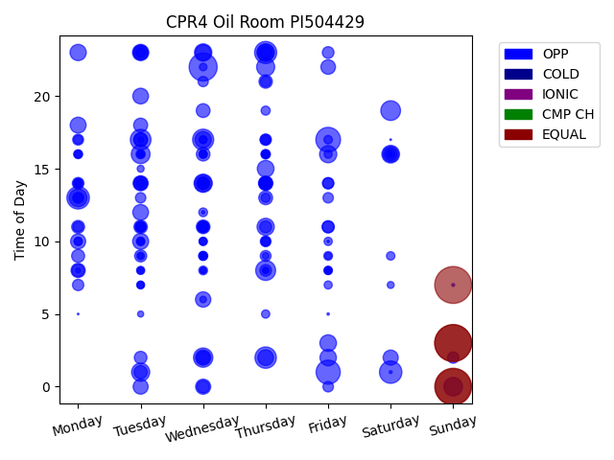
Week Day | Time of Day | Profile | Charge Start
Sunday | 3 | EQUAL | 2022-03-13 | Days Recorded
Sunday | 0 | EQUAL | 2022-03-20 | 63.786805556
Sunday | 3 | EQUAL | 2022-03-06
Sunday | 7 | EQUAL | 2022-04-03 | Equalizations
Sunday | 0 | EQUAL | 2022-04-03 | 5
Wednesday | 22 | OPP | 2022-04-06
Friday | 17 | OPP | 2022-03-04 | EQs Per Week
Friday | 1 | OPP | 2022-04-01
Monday | 13 | OPP | 2022-03-28
Saturday | 1 | OPP | 2022-03-12
Thursday | 23 | OPP | 2022-05-05
Thursday | 2 | OPP | 2022-03-31
Wednesday | 17 | OPP | 2022-03-23
Tuesday | 17 | OPP | 2022-03-22
Thursday | 8 | OPP | 2022-04-28
Saturday | 19 | OPP | 2022-04-30
Wednesday | 2 | OPP | 2022-04-06
Tuesday | 16 | OPP | 2022-04-26
Sunday | 0 | OPP | 2022-03-13
Wednesday | 14 | OPP | 2022-04-27
Tuesday | 1 | OPP | 2022-03-15
Thursday | 22 | OPP | 2022-03-10
Monday | 13 | OPP | 2022-04-04
Saturday | 16 | OPP | 2022-03-12
Wednesday | 23 | OPP | 2022-03-16
Thursday | 23 | OPP | 2022-03-03
Friday | 16 | OPP | 2022-03-11
Thursday | 11 | OPP | 2022-03-17
Wednesday | 14 | OPP | 2022-04-20
Thursday | 15 | OPP | 2022-05-05
Thursday | 23 | OPP | 2022-03-24
Friday | 3 | OPP | 2022-04-08
Friday | 2 | OPP | 2022-03-18
...

CA2
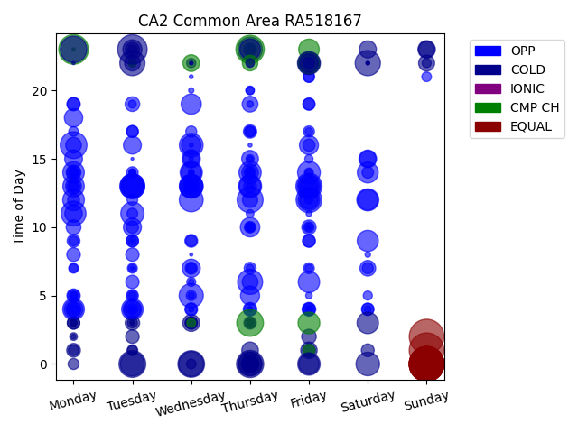
Week Day | Time of Day | Profile | Charge Start
Sunday | 1 | EQUAL | 2016-05-08 | Days Recorded
Sunday | 0 | EQUAL | 2016-05-22 | 2194.7375
Sunday | 0 | EQUAL | 2016-05-15
Sunday | 0 | EQUAL | 2022-04-10 | Equalizations
Sunday | 0 | EQUAL | 2022-05-01 | 8
Sunday | 0 | EQUAL | 2022-04-17
Sunday | 0 | EQUAL | 2016-06-05 | EQs Per Week
Sunday | 2 | EQUAL | 2022-04-03
Monday | 23 | CMP CH | 2022-04-04
Tuesday | 23 | COLD | 2022-04-19 | Invalid Disconnects
Thursday | 23 | CMP CH | 2022-04-07 | 171
Thursday | 0 | COLD | 2022-04-07 | 57%
Tuesday | 0 | COLD | 2022-04-19
Thursday | 3 | CMP CH | 2016-06-09
Monday | 16 | OPP | 2022-04-11
Wednesday | 0 | COLD | 2022-04-13
Monday | 23 | COLD | 2022-04-25
Friday | 13 | OPP | 2016-05-27
Thursday | 12 | OPP | 2016-06-02
Friday | 12 | OPP | 2016-06-03
Saturday | 22 | COLD | 2022-04-02
Tuesday | 22 | COLD | 2022-05-03
Thursday | 6 | OPP | 2016-06-02
Wednesday | 0 | COLD | 2022-04-27
Tuesday | 13 | OPP | 2016-05-24
Monday | 11 | OPP | 2016-05-30
Tuesday | 13 | OPP | 2016-06-14
Thursday | 23 | COLD | 2022-03-31
Thursday | 0 | COLD | 2022-04-14
Wednesday | 5 | OPP | 2016-05-18
Tuesday | 0 | COLD | 2022-05-03
Wednesday | 12 | OPP | 2016-06-08
Wednesday | 16 | OPP | 2022-05-04
...

CPR3
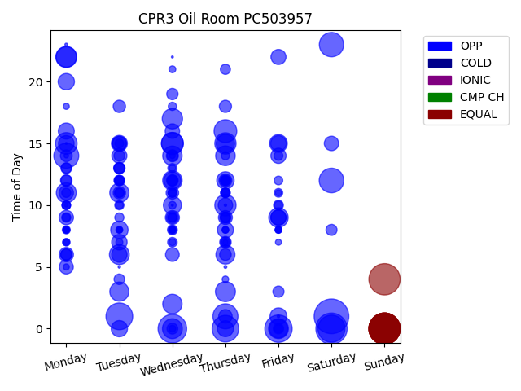
Week Day | Time of Day | Profile | Charge Start
Saturday | 1 | OPP | 2022-04-16 | Days Recorded
Sunday | 0 | EQUAL | 2022-04-24 | 43.165972222
Sunday | 4 | EQUAL | 2022-04-10
Sunday | 0 | EQUAL | 2022-03-27 | Equalizations
Saturday | 0 | OPP | 2022-03-26 | 6
Sunday | 0 | EQUAL | 2022-04-17
Sunday | 0 | EQUAL | 2022-04-03 | EQs Per Week
Sunday | 0 | EQUAL | 2022-05-01
Wednesday | 0 | OPP | 2022-04-06
Friday | 0 | OPP | 2022-04-08
Saturday | 0 | OPP | 2022-04-09
Tuesday | 1 | OPP | 2022-03-29
Thursday | 0 | OPP | 2022-04-14
Thursday | 1 | OPP | 2022-04-07
Monday | 14 | OPP | 2022-04-11
Saturday | 12 | OPP | 2022-04-30
Saturday | 23 | OPP | 2022-04-09
Thursday | 16 | OPP | 2022-05-05
Wednesday | 15 | OPP | 2022-04-20
Wednesday | 15 | OPP | 2022-05-04
Monday | 15 | OPP | 2022-04-25
Thursday | 15 | OPP | 2022-04-14
Thursday | 10 | OPP | 2022-04-28
Monday | 22 | OPP | 2022-04-11
Monday | 22 | OPP | 2022-04-18
Wednesday | 17 | OPP | 2022-03-30
Thursday | 3 | OPP | 2022-03-31
Monday | 11 | OPP | 2022-04-04
Wednesday | 0 | OPP | 2022-04-13
Friday | 0 | OPP | 2022-03-25
Tuesday | 6 | OPP | 2022-04-12
Thursday | 14 | OPP | 2022-04-21
Wednesday | 12 | OPP | 2022-04-06
...

CPR5
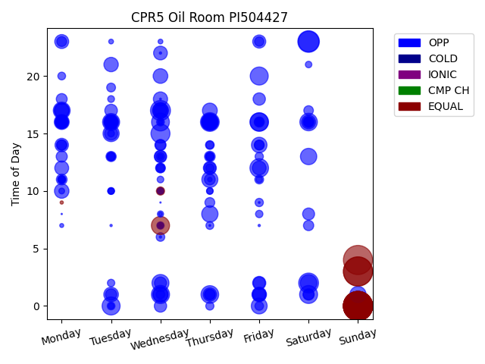
Week Day | Time of Day | Profile | Charge Start
Sunday | 3 | EQUAL | 2022-03-06 | Days Recorded
Sunday | 3 | EQUAL | 2022-04-10 | 77.950694444
Sunday | 4 | EQUAL | 2022-04-03
Sunday | 0 | EQUAL | 2022-04-17 | Equalizations
Sunday | 0 | EQUAL | 2022-03-13 | 14
Sunday | 0 | EQUAL | 2022-02-27
Sunday | 0 | EQUAL | 2022-03-27 | EQs Per Week
Sunday | 0 | EQUAL | 2022-03-20
Sunday | 0 | EQUAL | 2022-04-24
Sunday | 0 | EQUAL | 2022-05-01
Sunday | 0 | EQUAL | 2022-02-20
Saturday | 23 | OPP | 2022-04-09
Saturday | 23 | OPP | 2022-03-05
Wednesday | 17 | OPP | 2022-03-02
Saturday | 2 | OPP | 2022-04-09
Wednesday | 15 | OPP | 2022-03-30
Thursday | 16 | OPP | 2022-03-03
Friday | 12 | OPP | 2022-02-25
Friday | 16 | OPP | 2022-02-18
Friday | 16 | OPP | 2022-03-04
Wednesday | 7 | EQUAL | 2022-04-27
Wednesday | 1 | OPP | 2022-04-06
Tuesday | 0 | OPP | 2022-02-22
Friday | 20 | OPP | 2022-04-08
Saturday | 1 | OPP | 2022-03-19
Wednesday | 16 | OPP | 2022-02-23
Thursday | 1 | OPP | 2022-04-07
Saturday | 16 | OPP | 2022-02-19
Tuesday | 16 | OPP | 2022-02-22
Wednesday | 2 | OPP | 2022-03-30
Monday | 17 | OPP | 2022-03-28
Thursday | 16 | OPP | 2022-03-24
Saturday | 2 | OPP | 2022-02-26
...

RPR1
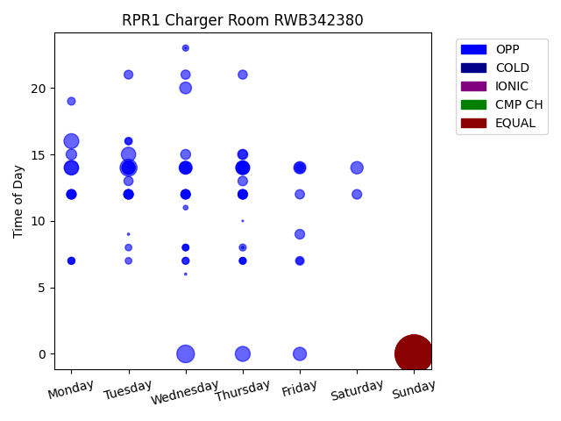
Week Day | Time of Day | Profile | Charge Start
Sunday | 0 | EQUAL | 2022-04-10 | Days Recorded
Sunday | 0 | EQUAL | 2022-04-17 | 78.579166667
Sunday | 0 | EQUAL | 2022-05-01
Sunday | 0 | EQUAL | 2022-03-20 | Equalizations
Sunday | 0 | EQUAL | 2022-04-03 | 5
Wednesday | 0 | OPP | 2022-03-16
Tuesday | 14 | OPP | 2022-05-03 | EQs Per Week
Thursday | 0 | OPP | 2022-03-17
Monday | 16 | OPP | 2022-04-11
Monday | 14 | OPP | 2022-04-25
Tuesday | 15 | OPP | 2022-04-12
Thursday | 14 | OPP | 2022-04-07
Monday | 14 | OPP | 2022-04-18
Thursday | 14 | OPP | 2022-04-21
Tuesday | 14 | OPP | 2022-04-26
Friday | 0 | OPP | 2022-03-18
Wednesday | 14 | OPP | 2022-04-20
Thursday | 14 | OPP | 2022-04-28
Tuesday | 14 | OPP | 2022-04-19
Saturday | 14 | OPP | 2022-04-09
Tuesday | 14 | OPP | 2022-04-05
Wednesday | 14 | OPP | 2022-04-27
Friday | 14 | OPP | 2022-04-29
Wednesday | 14 | OPP | 2022-04-06
Wednesday | 20 | OPP | 2022-03-23
Thursday | 14 | OPP | 2022-03-31
Friday | 14 | OPP | 2022-04-01
Monday | 15 | OPP | 2022-04-04
Thursday | 14 | OPP | 2022-04-14
Thursday | 15 | OPP | 2022-04-14
Wednesday | 15 | OPP | 2022-04-13
Friday | 9 | OPP | 2022-04-22
Monday | 12 | OPP | 2022-04-25
...

RPR3
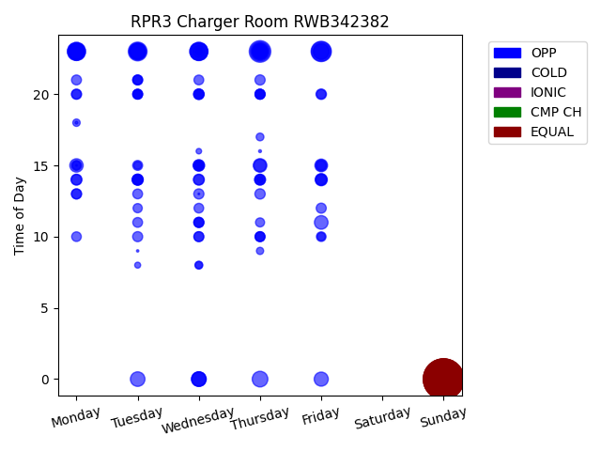
Week Day | Time of Day | Profile | Charge Start
Sunday | 0 | EQUAL | 2022-04-17 | Days Recorded
Sunday | 0 | EQUAL | 2022-03-27 | 80.007638889
Sunday | 0 | EQUAL | 2022-04-03
Sunday | 0 | EQUAL | 2022-04-24 | Equalizations
Sunday | 0 | EQUAL | 2022-03-20 | 6
Sunday | 0 | EQUAL | 2022-05-01
Thursday | 23 | OPP | 2022-04-14 | EQs Per Week
Friday | 23 | OPP | 2022-04-29
Friday | 23 | OPP | 2022-04-22
Thursday | 23 | OPP | 2022-05-05
Tuesday | 23 | OPP | 2022-05-03
Wednesday | 23 | OPP | 2022-04-20
Monday | 23 | OPP | 2022-05-02
Monday | 23 | OPP | 2022-04-18
Wednesday | 23 | OPP | 2022-05-04
Wednesday | 23 | OPP | 2022-04-13
Tuesday | 23 | OPP | 2022-04-12
Thursday | 23 | OPP | 2022-04-28
Friday | 23 | OPP | 2022-04-15
Monday | 23 | OPP | 2022-04-04
Monday | 23 | OPP | 2022-04-25
Tuesday | 23 | OPP | 2022-04-26
Wednesday | 23 | OPP | 2022-04-27
Monday | 23 | OPP | 2022-04-11
Thursday | 23 | OPP | 2022-04-21
Thursday | 0 | OPP | 2022-03-24
Tuesday | 23 | OPP | 2022-04-19
Friday | 23 | OPP | 2022-04-08
Wednesday | 0 | OPP | 2022-03-23
Tuesday | 0 | OPP | 2022-03-29
Tuesday | 23 | OPP | 2022-04-05
Wednesday | 0 | OPP | 2022-03-30
Thursday | 23 | OPP | 2022-04-07
...

HFIQ 9
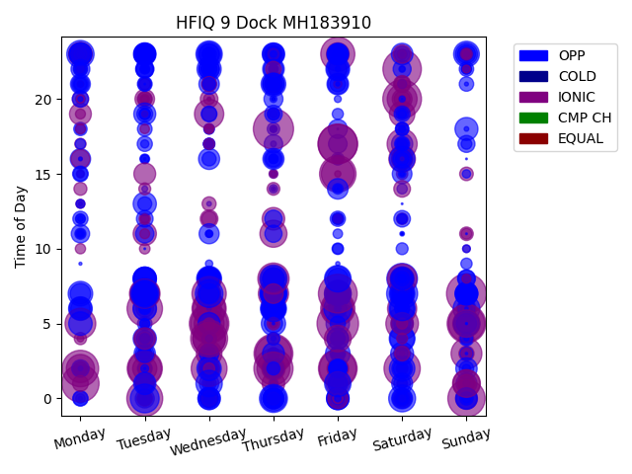
Week Day | Time of Day | Profile | Charge Start
Friday | 5 | IONIC | 2021-12-24 | Days Recorded
Thursday | 18 | IONIC | 2022-04-21 | 693.80625
Sunday | 7 | IONIC | 2021-11-14
Friday | 17 | IONIC | 2022-04-29 | Equalizations
Wednesday | 5 | IONIC | 2021-03-10 | 0
Friday | 17 | IONIC | 2022-04-22
Thursday | 2 | IONIC | 2022-01-27 | EQs Per Week
Thursday | 3 | IONIC | 2021-11-25
Friday | 7 | IONIC | 2022-03-04
Sunday | 5 | IONIC | 2022-01-23
Saturday | 20 | IONIC | 2021-04-10
Friday | 2 | IONIC | 2021-02-12
Saturday | 22 | IONIC | 2021-10-16
Sunday | 0 | IONIC | 2022-01-02
Monday | 1 | IONIC | 2022-08-01
Wednesday | 5 | IONIC | 2021-05-12
Wednesday | 4 | IONIC | 2022-04-20
Friday | 2 | IONIC | 2022-01-28
Monday | 2 | IONIC | 2022-07-04
Friday | 15 | IONIC | 2022-02-04
Sunday | 5 | IONIC | 2021-09-12
Thursday | 3 | IONIC | 2022-09-01
Saturday | 2 | IONIC | 2021-10-23
Tuesday | 0 | IONIC | 2022-04-19
Wednesday | 2 | IONIC | 2022-03-02
Tuesday | 6 | IONIC | 2021-11-23
Tuesday | 2 | IONIC | 2022-03-29
Wednesday | 7 | IONIC | 2022-03-23
Friday | 6 | IONIC | 2021-09-17
Wednesday | 6 | IONIC | 2021-10-13
Friday | 23 | IONIC | 2021-10-15
Tuesday | 2 | IONIC | 2022-03-22
Friday | 15 | IONIC | 2022-12-02
...

RPR4
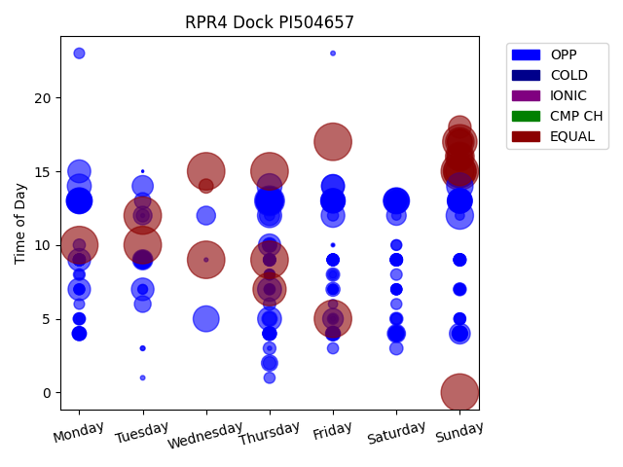
Week Day | Time of Day | Profile | Charge Start
Sunday | 0 | EQUAL | 2022-05-01 | Days Recorded
Friday | 5 | EQUAL | 2022-04-22 | 125.58680556
Sunday | 15 | EQUAL | 2021-12-26
Thursday | 15 | EQUAL | 2022-04-28 | Equalizations
Wednesday | 15 | EQUAL | 2022-04-13 | 24
Tuesday | 10 | EQUAL | 2022-04-26
Monday | 10 | EQUAL | 2022-04-25 | EQs Per Week
Tuesday | 12 | EQUAL | 2022-04-19
Wednesday | 9 | EQUAL | 2022-04-20
Friday | 17 | EQUAL | 2022-04-22 | Invalid Disconnects
Thursday | 9 | EQUAL | 2022-04-21 | 273
Sunday | 17 | EQUAL | 2022-03-06 | 91%
Thursday | 7 | EQUAL | 2022-04-14
Sunday | 15 | EQUAL | 2022-01-09
Sunday | 15 | EQUAL | 2022-01-16
Thursday | 13 | OPP | 2022-03-03
Sunday | 16 | EQUAL | 2022-02-27
Sunday | 15 | EQUAL | 2022-01-30
Sunday | 17 | EQUAL | 2022-01-02
Sunday | 12 | OPP | 2022-02-27
Thursday | 13 | OPP | 2022-02-10
Thursday | 13 | OPP | 2021-12-30
Thursday | 13 | OPP | 2022-02-24
Thursday | 13 | OPP | 2022-01-27
Sunday | 14 | OPP | 2022-01-23
Sunday | 16 | EQUAL | 2022-02-06
Saturday | 13 | OPP | 2022-01-22
Monday | 13 | OPP | 2022-01-03
Wednesday | 5 | OPP | 2022-04-20
Monday | 13 | OPP | 2022-02-21
Sunday | 17 | EQUAL | 2022-02-13
Saturday | 13 | OPP | 2022-02-19
Sunday | 13 | OPP | 2022-03-13
...

RTE 1
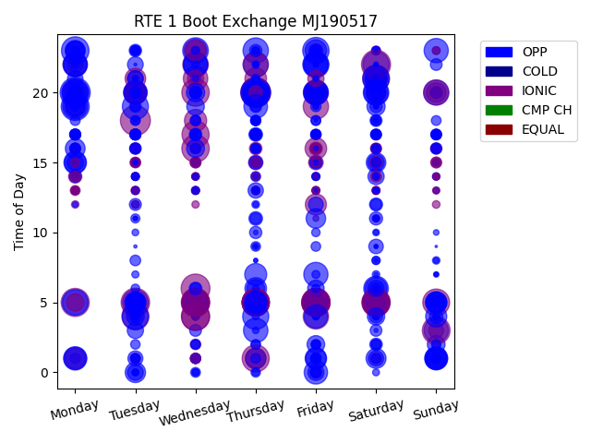
Week Day | Time of Day | Profile | Charge Start
Monday | 20 | OPP | 2022-02-14 | Days Recorded
Tuesday | 18 | IONIC | 2021-10-12 | 690.84513889
Thursday | 20 | IONIC | 2021-12-16
Thursday | 20 | OPP | 2022-12-01 | Equalizations
Saturday | 22 | IONIC | 2022-07-02 | 0
Thursday | 20 | IONIC | 2021-11-11
Wednesday | 6 | IONIC | 2021-12-29 | EQs Per Week
Tuesday | 5 | IONIC | 2021-10-12
Wednesday | 5 | IONIC | 2022-06-01
Saturday | 5 | IONIC | 2022-02-26
Friday | 5 | IONIC | 2022-02-25
Friday | 5 | IONIC | 2021-12-24
Wednesday | 4 | IONIC | 2021-11-17
Monday | 5 | IONIC | 2022-08-01
Friday | 5 | IONIC | 2021-11-19
Monday | 19 | OPP | 2022-01-24
Wednesday | 4 | IONIC | 2022-03-16
Friday | 5 | IONIC | 2022-12-02
Sunday | 3 | IONIC | 2022-10-02
Wednesday | 5 | IONIC | 2022-08-03
Monday | 23 | OPP | 2022-02-21
Wednesday | 5 | IONIC | 2022-11-02
Wednesday | 16 | IONIC | 2021-12-29
Wednesday | 20 | IONIC | 2022-01-26
Saturday | 5 | IONIC | 2021-11-20
Saturday | 5 | IONIC | 2021-12-11
Thursday | 5 | IONIC | 2022-02-24
Wednesday | 17 | IONIC | 2022-06-01
Thursday | 5 | IONIC | 2021-12-23
Tuesday | 4 | IONIC | 2021-11-16
Thursday | 1 | IONIC | 2022-02-17
Friday | 5 | IONIC | 2022-04-01
Wednesday | 5 | IONIC | 2022-02-23
...

CPR1
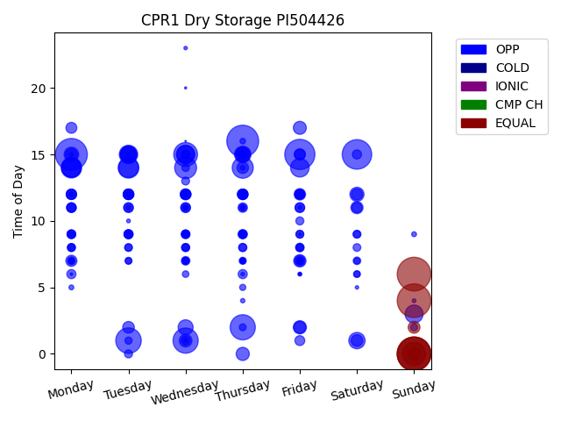
Week Day | Time of Day | Profile | Charge Start
Sunday | 0 | EQUAL | 2022-05-01 | Days Recorded
Sunday | 6 | EQUAL | 2022-04-10 | 44.964583333
Sunday | 4 | EQUAL | 2022-04-17
Sunday | 0 | EQUAL | 2022-03-27 | Equalizations
Sunday | 0 | EQUAL | 2022-04-03 | 8
Monday | 15 | OPP | 2022-04-04
Thursday | 16 | OPP | 2022-04-14 | EQs Per Week
Friday | 15 | OPP | 2022-04-08
Saturday | 15 | OPP | 2022-04-09
Tuesday | 1 | OPP | 2022-04-05
Wednesday | 1 | OPP | 2022-04-06
Thursday | 2 | OPP | 2022-04-07
Wednesday | 15 | OPP | 2022-04-06
Sunday | 0 | EQUAL | 2022-04-10
Wednesday | 14 | OPP | 2022-04-20
Thursday | 14 | OPP | 2022-04-21
Tuesday | 14 | OPP | 2022-04-26
Monday | 14 | OPP | 2022-04-25
Tuesday | 14 | OPP | 2022-04-19
Monday | 14 | OPP | 2022-04-18
Monday | 14 | OPP | 2022-05-02
Wednesday | 15 | OPP | 2022-04-27
Friday | 14 | OPP | 2022-04-22
Tuesday | 15 | OPP | 2022-04-05
Sunday | 3 | OPP | 2022-04-10
Wednesday | 15 | OPP | 2022-03-30
Tuesday | 15 | OPP | 2022-03-29
Thursday | 15 | OPP | 2022-04-28
Tuesday | 15 | OPP | 2022-04-12
Saturday | 1 | OPP | 2022-04-16
Wednesday | 2 | OPP | 2022-03-30
Thursday | 15 | OPP | 2022-03-31
Monday | 15 | OPP | 2022-04-11
...

CPR2
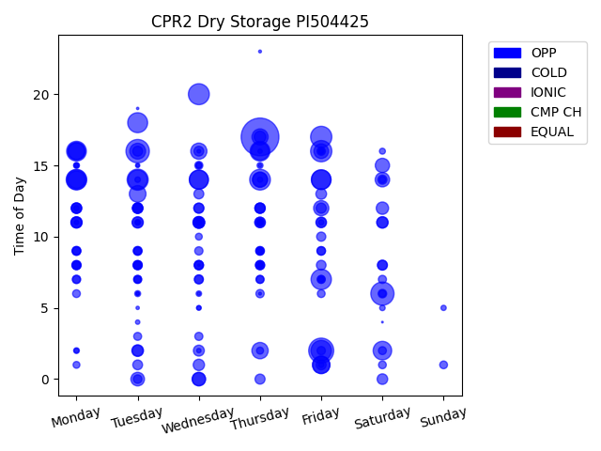
Week Day | Time of Day | Profile | Charge Start
Thursday | 17 | OPP | 2022-04-07 | Days Recorded
Friday | 2 | OPP | 2022-04-01 | 42.321527778
Tuesday | 16 | OPP | 2022-04-12
Saturday | 6 | OPP | 2022-04-02 | Equalizations
Friday | 17 | OPP | 2022-04-01 | 0
Friday | 16 | OPP | 2022-04-15
Tuesday | 14 | OPP | 2022-05-03 | EQs Per Week
Wednesday | 20 | OPP | 2022-04-06
Thursday | 14 | OPP | 2022-04-21
Monday | 14 | OPP | 2022-04-18
Friday | 2 | OPP | 2022-04-08
Friday | 7 | OPP | 2022-04-01
Tuesday | 18 | OPP | 2022-04-05
Monday | 16 | OPP | 2022-04-04
Thursday | 16 | OPP | 2022-04-14
Friday | 14 | OPP | 2022-04-29
Monday | 14 | OPP | 2022-04-25
Friday | 14 | OPP | 2022-04-22
Tuesday | 14 | OPP | 2022-04-19
Wednesday | 14 | OPP | 2022-04-27
Wednesday | 14 | OPP | 2022-05-04
Saturday | 2 | OPP | 2022-04-09
Thursday | 16 | OPP | 2022-03-31
Monday | 16 | OPP | 2022-03-28
Friday | 1 | OPP | 2022-05-06
Monday | 14 | OPP | 2022-05-02
Friday | 1 | OPP | 2022-04-29
Tuesday | 13 | OPP | 2022-04-26
Monday | 16 | OPP | 2022-04-11
Thursday | 2 | OPP | 2022-04-14
Thursday | 17 | OPP | 2022-03-24
Wednesday | 16 | OPP | 2022-03-30
Tuesday | 16 | OPP | 2022-03-29
...

CO2-1
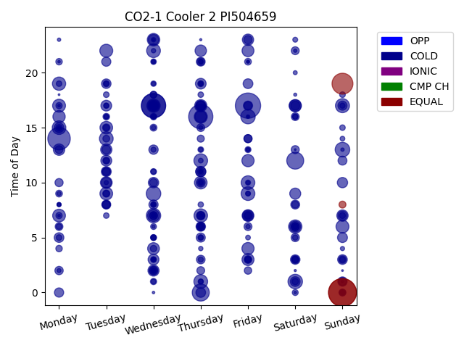
Week Day | Time of Day | Profile | Charge Start
Sunday | 0 | EQUAL | 2022-05-01 | Days Recorded
Sunday | 0 | EQUAL | 2022-04-24 | 2299.6340278
Friday | 17 | COLD | 2016-01-29
Wednesday | 17 | COLD | 2016-01-27 | Equalizations
Thursday | 16 | COLD | 2016-01-21 | 4
Wednesday | 17 | COLD | 2016-01-20
Monday | 14 | COLD | 2016-01-18 | EQs Per Week
Sunday | 19 | EQUAL | 2016-02-07
Thursday | 0 | COLD | 2016-01-21
Saturday | 12 | COLD | 2016-01-23 | Invalid Disconnects
Sunday | 13 | COLD | 2016-01-24 | 185
Wednesday | 9 | COLD | 2016-01-20 | 62%
Saturday | 1 | COLD | 2016-02-13
Wednesday | 7 | COLD | 2016-01-27
Friday | 16 | COLD | 2016-01-22
Sunday | 17 | COLD | 2016-02-07
Friday | 9 | COLD | 2016-02-12
Wednesday | 22 | COLD | 2016-02-10
Tuesday | 14 | COLD | 2016-01-19
Thursday | 1 | COLD | 2016-01-28
Thursday | 12 | COLD | 2022-04-28
Friday | 10 | COLD | 2016-01-22
Monday | 15 | COLD | 2016-02-15
Thursday | 7 | COLD | 2016-02-04
Saturday | 6 | COLD | 2016-01-23
Wednesday | 17 | COLD | 2016-02-03
Monday | 19 | COLD | 2022-05-02
Thursday | 16 | COLD | 2022-04-28
Tuesday | 22 | COLD | 2022-05-03
Sunday | 6 | COLD | 2016-01-24
Monday | 17 | COLD | 2022-04-25
Monday | 7 | COLD | 2022-04-25
Tuesday | 9 | COLD | 2016-01-19
...

CO2-2
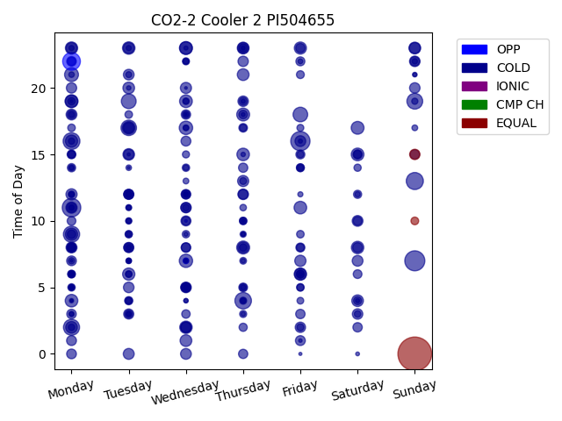
Week Day | Time of Day | Profile | Charge Start
Sunday | 0 | EQUAL | 2022-04-10 | Days Recorded
Sunday | 7 | COLD | 2022-04-17 | 33.721527778
Friday | 16 | COLD | 2022-04-15
Monday | 11 | COLD | 2022-04-25 | Equalizations
Monday | 22 | OPP | 2022-04-25 | 3
Sunday | 13 | COLD | 2022-05-01
Monday | 16 | COLD | 2022-04-04 | EQs Per Week
Thursday | 4 | COLD | 2022-04-07
Monday | 9 | COLD | 2022-04-25
Monday | 2 | COLD | 2022-04-04 | Invalid Disconnects
Sunday | 19 | COLD | 2022-05-01 | 181
Tuesday | 17 | COLD | 2022-04-26 | 60%
Tuesday | 19 | COLD | 2022-04-05
Friday | 18 | COLD | 2022-04-08
Monday | 21 | COLD | 2022-04-18
Wednesday | 17 | COLD | 2022-04-06
Wednesday | 7 | COLD | 2022-04-20
Thursday | 8 | COLD | 2022-04-28
Monday | 19 | COLD | 2022-05-02
Thursday | 18 | COLD | 2022-04-07
Wednesday | 23 | COLD | 2022-04-20
Saturday | 17 | COLD | 2022-04-09
Wednesday | 19 | COLD | 2022-04-06
Saturday | 15 | COLD | 2022-04-02
Monday | 4 | COLD | 2022-05-02
Tuesday | 17 | COLD | 2022-04-12
Wednesday | 23 | COLD | 2022-05-04
Friday | 11 | COLD | 2022-04-22
Thursday | 15 | COLD | 2022-04-07
Wednesday | 2 | COLD | 2022-04-27
Tuesday | 23 | COLD | 2022-05-03
Saturday | 8 | COLD | 2022-04-09
Monday | 19 | COLD | 2022-04-04
...

CPR6
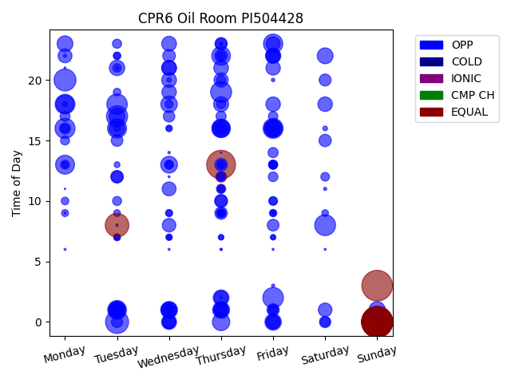
Week Day | Time of Day | Profile | Charge Start
Sunday | 0 | EQUAL | 2022-03-06 | Days Recorded
Sunday | 0 | EQUAL | 2022-02-27 | 85.028472222
Sunday | 0 | EQUAL | 2022-03-20
Sunday | 3 | EQUAL | 2022-04-03 | Equalizations
Sunday | 0 | EQUAL | 2022-02-13 | 14
Sunday | 0 | EQUAL | 2022-03-13
Sunday | 0 | EQUAL | 2022-04-17 | EQs Per Week
Sunday | 0 | EQUAL | 2022-04-24
Sunday | 0 | EQUAL | 2022-03-27
Sunday | 0 | EQUAL | 2022-05-01
Thursday | 13 | EQUAL | 2022-02-17
Tuesday | 8 | EQUAL | 2022-04-12
Tuesday | 0 | OPP | 2022-03-22
Monday | 20 | OPP | 2022-03-14
Tuesday | 17 | OPP | 2022-04-12
Thursday | 19 | OPP | 2022-04-07
Saturday | 8 | OPP | 2022-04-02
Friday | 2 | OPP | 2022-04-08
Tuesday | 18 | OPP | 2022-03-08
Monday | 16 | OPP | 2022-02-14
Friday | 16 | OPP | 2022-04-01
Monday | 18 | OPP | 2022-03-07
Friday | 23 | OPP | 2022-04-22
Tuesday | 16 | OPP | 2022-03-01
Monday | 13 | OPP | 2022-02-28
Tuesday | 1 | OPP | 2022-05-03
Thursday | 22 | OPP | 2022-04-28
Thursday | 16 | OPP | 2022-02-10
Monday | 18 | OPP | 2022-04-25
Thursday | 16 | OPP | 2022-03-10
Friday | 16 | OPP | 2022-03-25
Thursday | 0 | OPP | 2022-04-21
Friday | 16 | OPP | 2022-02-18
...

